Home
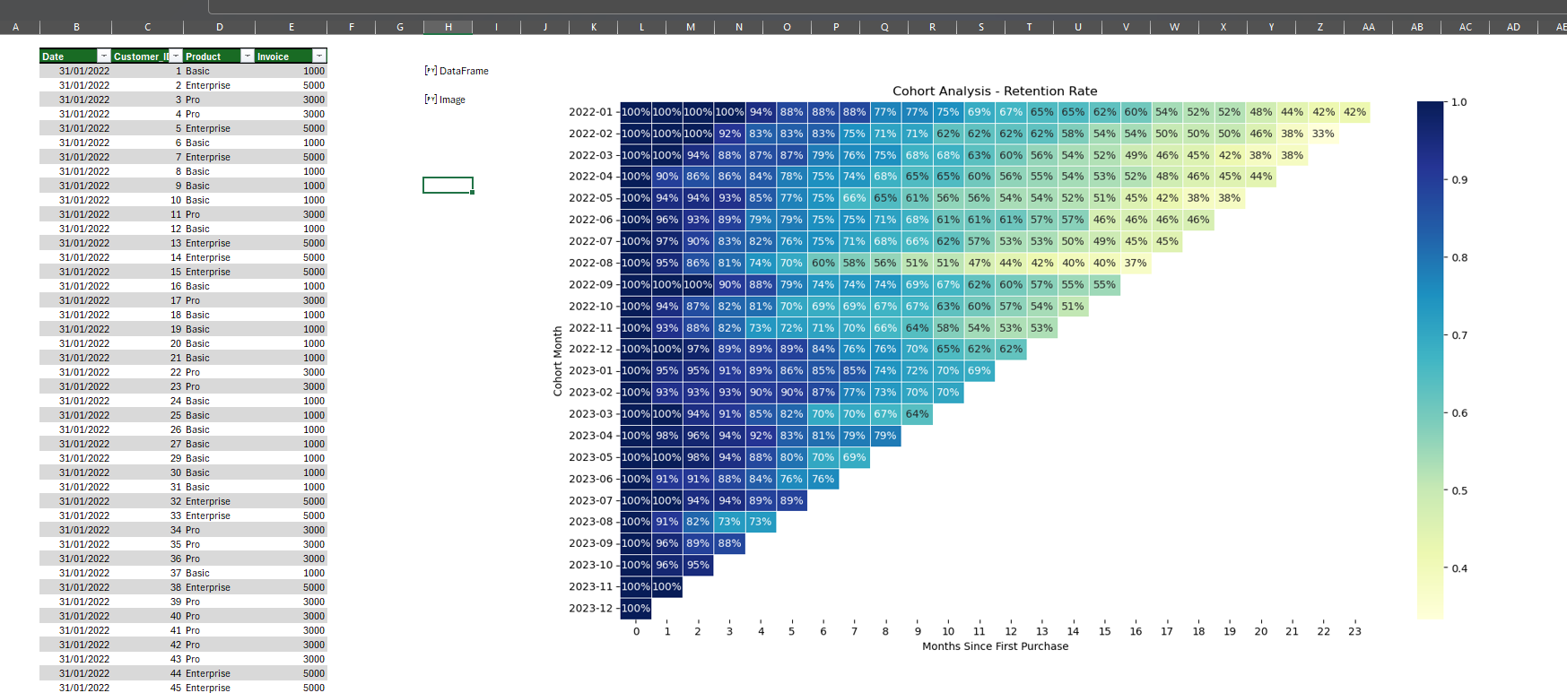
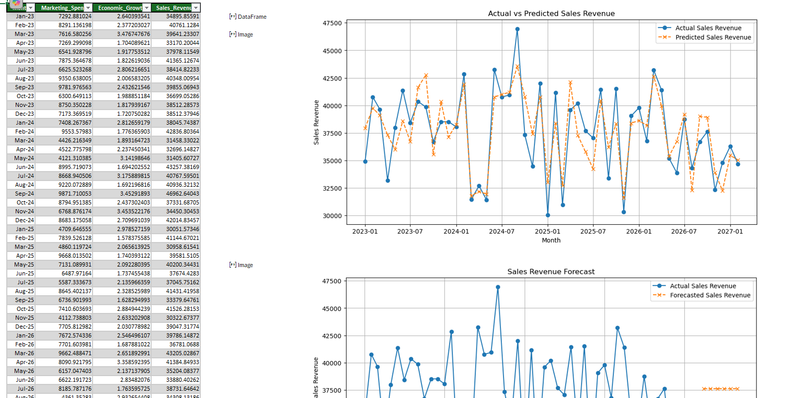
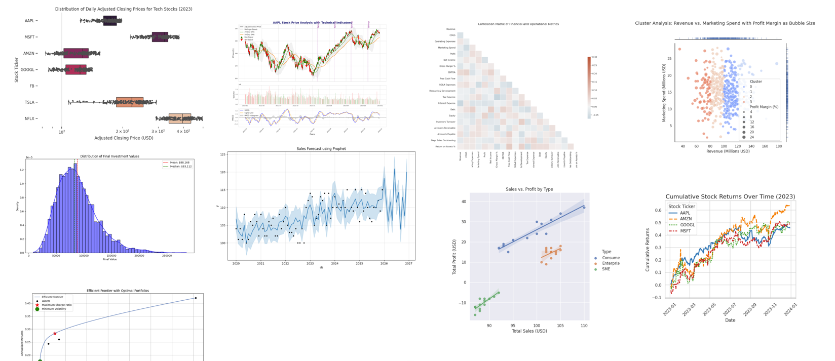

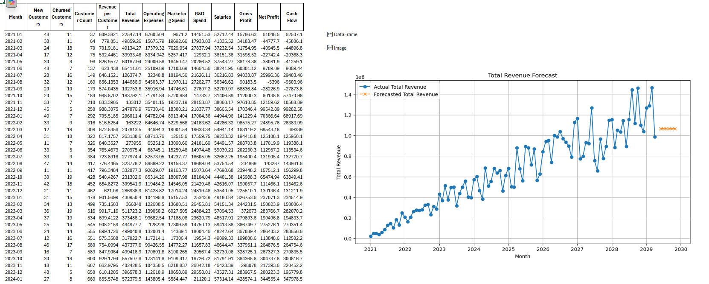

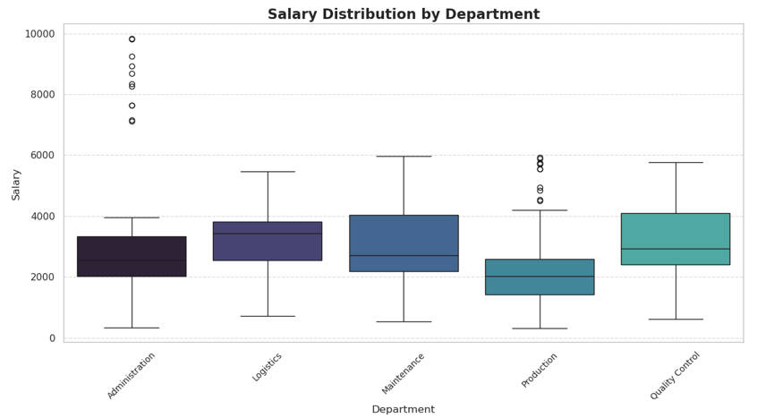

You'll Learn


How to get Python in Excel
How to enable Python in Excel
 | Python in Excel availability - Microsoft Support
Python in Excel is currently rolling out to Excel for Windows for customers with Enterprise or Business Microsoft 365 subscriptions running the Current Channel, starting with Version 2408 (Build 17928.20114), and Monthly Enterprise Channel, starting with Version 2408 (Build 17928.20216).


Python in Excel is available in preview for Family and Personal users running Current Channel on Windows, starting with Version 2405 (Build 17628.20164).

If you have an Education subscription, join the Microsoft 365 Insider Program to use the Python in Excel preview. Choose the Current Channel (Preview) Insider level and install the latest build of Excel.

Don’t have Insider access? Sign up with your Microsoft, work, or school account to be notified about future availability for Python in Excel.

I'm interested

If you have a qualifying Microsoft 365 subscription, take the following steps to use Python in Excel:

1. Open a blank workbook.

2. Select Formulas in the ribbon.

3. Select Insert Python.

Cohort Analysis
Date | Customer_ID | Product | Invoice
2022-01-31 | 1 | Basic | 1000
2022-01-31 | 2 | Enterprise | 5000
2022-01-31 | 3 | Pro | 3000
2022-01-31 | 4 | Pro | 3000
2022-01-31 | 5 | Enterprise | 5000
2022-01-31 | 6 | Basic | 1000
2022-01-31 | 7 | Enterprise | 5000
2022-01-31 | 8 | Basic | 1000
2022-01-31 | 9 | Basic | 1000
2022-01-31 | 10 | Basic | 1000
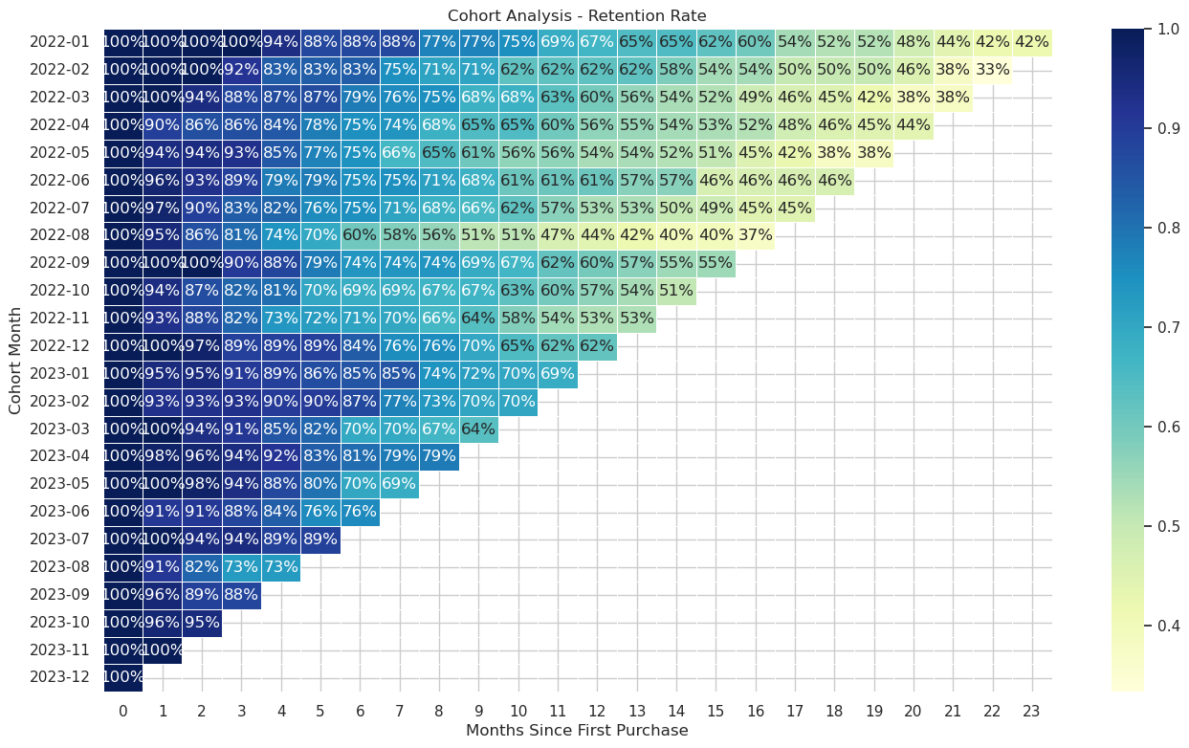
2022-01-31 | 11 | Pro | 3000
2022-01-31 | 12 | Basic | 1000
2022-01-31 | 13 | Enterprise | 5000
2022-01-31 | 14 | Enterprise | 5000
2022-01-31 | 15 | Enterprise | 5000
2022-01-31 | 16 | Basic | 1000
2022-01-31 | 17 | Pro | 3000
2022-01-31 | 18 | Basic | 1000
2022-01-31 | 19 | Basic | 1000
2022-01-31 | 20 | Basic | 1000
2022-01-31 | 21 | Basic | 1000
2022-01-31 | 22 | Pro | 3000
2022-01-31 | 23 | Pro | 3000
2022-01-31 | 24 | Basic | 1000
2022-01-31 | 25 | Basic | 1000
2022-01-31 | 26 | Basic | 1000
2022-01-31 | 27 | Basic | 1000
2022-01-31 | 29 | Basic | 1000
2022-01-31 | 30 | Basic | 1000
2022-01-31 | 31 | Basic | 1000
2022-01-31 | 32 | Enterprise | 5000
2022-01-31 | 33 | Enterprise | 5000
2022-01-31 | 34 | Pro | 3000
2022-01-31 | 35 | Pro | 3000
2022-01-31 | 36 | Pro | 3000
2022-01-31 | 37 | Basic | 1000
2022-01-31 | 38 | Enterprise | 5000
2022-01-31 | 39 | Pro | 3000
2022-01-31 | 40 | Pro | 3000
2022-01-31 | 41 | Pro | 3000
2022-01-31 | 42 | Pro | 3000
2022-01-31 | 43 | Pro | 3000
2022-01-31 | 44 | Enterprise | 5000
2022-01-31 | 45 | Enterprise | 5000
2022-01-31 | 46 | Pro | 3000
2022-01-31 | 47 | Pro | 3000
2022-01-31 | 48 | Basic | 1000
2022-01-31 | 49 | Pro | 3000
2022-02-28 | 1 | Basic | 1000
2022-02-28 | 2 | Enterprise | 5000
2022-02-28 | 3 | Pro | 3000
2022-02-28 | 4 | Pro | 3000
2022-02-28 | 5 | Enterprise | 5000
2022-02-28 | 6 | Basic | 1000
2022-02-28 | 7 | Enterprise | 5000
2022-02-28 | 8 | Basic | 1000
2022-02-28 | 9 | Basic | 1000
2022-02-28 | 10 | Basic | 1000
2022-02-28 | 11 | Pro | 3000
2022-02-28 | 12 | Basic | 1000
2022-02-28 | 13 | Enterprise | 5000
2022-02-28 | 14 | Enterprise | 5000
2022-02-28 | 15 | Enterprise | 5000
2022-02-28 | 16 | Basic | 1000
2022-02-28 | 17 | Pro | 3000
2022-02-28 | 18 | Basic | 1000
2022-02-28 | 19 | Basic | 1000
2022-02-28 | 20 | Basic | 1000
2022-02-28 | 21 | Basic | 1000
2022-02-28 | 22 | Pro | 3000
2022-02-28 | 23 | Pro | 3000
2022-02-28 | 24 | Basic | 1000
2022-02-28 | 25 | Basic | 1000
2022-02-28 | 26 | Basic | 1000
2022-02-28 | 27 | Basic | 1000
2022-02-28 | 29 | Basic | 1000
2022-02-28 | 30 | Basic | 1000
2022-02-28 | 31 | Basic | 1000
2022-02-28 | 32 | Enterprise | 5000
2022-02-28 | 33 | Enterprise | 5000
2022-02-28 | 34 | Pro | 3000
2022-02-28 | 35 | Pro | 3000
2022-02-28 | 36 | Pro | 3000
2022-02-28 | 37 | Basic | 1000
2022-02-28 | 38 | Enterprise | 5000
2022-02-28 | 39 | Pro | 3000
2022-02-28 | 40 | Pro | 3000
2022-02-28 | 41 | Pro | 3000
2022-02-28 | 42 | Pro | 3000
2022-02-28 | 43 | Pro | 3000
2022-02-28 | 44 | Enterprise | 5000
2022-02-28 | 45 | Enterprise | 5000
2022-02-28 | 46 | Pro | 3000
2022-02-28 | 47 | Pro | 3000
2022-02-28 | 48 | Basic | 1000
2022-02-28 | 49 | Pro | 3000
2022-02-28 | 50 | Basic | 1000
2022-02-28 | 51 | Enterprise | 5000
2022-02-28 | 52 | Basic | 1000
2022-02-28 | 54 | Enterprise | 5000
2022-02-28 | 55 | Basic | 1000
2022-02-28 | 56 | Basic | 1000
2022-02-28 | 57 | Basic | 1000
2022-02-28 | 58 | Enterprise | 5000
2022-02-28 | 59 | Basic | 1000
2022-02-28 | 60 | Basic | 1000
2022-02-28 | 61 | Basic | 1000
2022-02-28 | 62 | Basic | 1000
2022-02-28 | 63 | Basic | 1000
2022-02-28 | 64 | Basic | 1000
2022-02-28 | 65 | Pro | 3000
2022-02-28 | 66 | Basic | 1000
2022-02-28 | 67 | Basic | 1000
2022-02-28 | 68 | Basic | 1000
2022-02-28 | 69 | Basic | 1000
2022-02-28 | 70 | Pro | 3000
2022-02-28 | 71 | Pro | 3000
2022-02-28 | 72 | Basic | 1000
2022-02-28 | 73 | Basic | 1000
2022-02-28 | 74 | Basic | 1000
2022-03-31 | 1 | Basic | 1000
2022-03-31 | 2 | Enterprise | 5000
2022-03-31 | 3 | Pro | 3000
2022-03-31 | 4 | Pro | 3000
2022-03-31 | 5 | Enterprise | 5000
2022-03-31 | 6 | Basic | 1000
2022-03-31 | 7 | Enterprise | 5000
2022-03-31 | 8 | Basic | 1000
2022-03-31 | 9 | Basic | 1000
2022-03-31 | 10 | Basic | 1000
2022-03-31 | 11 | Pro | 3000
2022-03-31 | 12 | Basic | 1000
2022-03-31 | 13 | Enterprise | 5000
2022-03-31 | 14 | Enterprise | 5000
2022-03-31 | 15 | Enterprise | 5000
2022-03-31 | 16 | Basic | 1000
2022-03-31 | 17 | Pro | 3000
2022-03-31 | 18 | Basic | 1000
2022-03-31 | 19 | Basic | 1000
2022-03-31 | 20 | Basic | 1000
2022-03-31 | 21 | Basic | 1000
2022-03-31 | 22 | Pro | 3000
2022-03-31 | 23 | Pro | 3000
2022-03-31 | 24 | Basic | 1000
2022-03-31 | 25 | Basic | 1000
2022-03-31 | 26 | Basic | 1000
2022-03-31 | 27 | Basic | 1000
2022-03-31 | 29 | Basic | 1000
2022-03-31 | 30 | Basic | 1000
2022-03-31 | 31 | Basic | 1000
2022-03-31 | 32 | Enterprise | 5000
2022-03-31 | 33 | Enterprise | 5000
2022-03-31 | 34 | Pro | 3000
2022-03-31 | 35 | Pro | 3000
2022-03-31 | 36 | Pro | 3000
2022-03-31 | 37 | Basic | 1000
2022-03-31 | 38 | Enterprise | 5000
2022-03-31 | 39 | Pro | 3000
2022-03-31 | 40 | Pro | 3000
2022-03-31 | 41 | Pro | 3000
2022-03-31 | 42 | Pro | 3000
2022-03-31 | 43 | Pro | 3000
2022-03-31 | 44 | Enterprise | 5000
2022-03-31 | 45 | Enterprise | 5000
2022-03-31 | 46 | Pro | 3000
2022-03-31 | 47 | Pro | 3000
2022-03-31 | 48 | Basic | 1000
2022-03-31 | 49 | Pro | 3000
2022-03-31 | 50 | Basic | 1000
2022-03-31 | 51 | Enterprise | 5000
2022-03-31 | 52 | Basic | 1000
2022-03-31 | 54 | Enterprise | 5000
2022-03-31 | 55 | Basic | 1000
2022-03-31 | 56 | Basic | 1000
2022-03-31 | 57 | Basic | 1000
2022-03-31 | 58 | Enterprise | 5000
2022-03-31 | 59 | Basic | 1000
2022-03-31 | 60 | Basic | 1000
2022-03-31 | 61 | Basic | 1000
2022-03-31 | 62 | Basic | 1000
2022-03-31 | 63 | Basic | 1000
2022-03-31 | 64 | Basic | 1000
2022-03-31 | 65 | Pro | 3000
2022-03-31 | 66 | Basic | 1000
2022-03-31 | 67 | Basic | 1000
2022-03-31 | 68 | Basic | 1000
2022-03-31 | 69 | Basic | 1000
2022-03-31 | 70 | Pro | 3000
2022-03-31 | 71 | Pro | 3000
2022-03-31 | 72 | Basic | 1000
2022-03-31 | 73 | Basic | 1000
2022-03-31 | 74 | Basic | 1000
2022-03-31 | 75 | Basic | 1000
2022-03-31 | 76 | Basic | 1000
2022-03-31 | 77 | Enterprise | 5000
2022-03-31 | 78 | Pro | 3000
2022-03-31 | 79 | Basic | 1000
2022-03-31 | 80 | Basic | 1000
2022-03-31 | 81 | Basic | 1000
2022-03-31 | 82 | Pro | 3000
2022-03-31 | 83 | Basic | 1000
2022-03-31 | 84 | Pro | 3000
2022-03-31 | 85 | Enterprise | 5000
2022-03-31 | 86 | Basic | 1000
2022-03-31 | 87 | Enterprise | 5000
2022-03-31 | 88 | Enterprise | 5000
2022-03-31 | 89 | Basic | 1000
2022-03-31 | 90 | Enterprise | 5000
2022-03-31 | 91 | Pro | 3000
2022-03-31 | 92 | Enterprise | 5000
2022-03-31 | 93 | Pro | 3000
2022-03-31 | 94 | Pro | 3000
2022-03-31 | 95 | Pro | 3000
2022-03-31 | 96 | Enterprise | 5000
2022-03-31 | 97 | Pro | 3000
2022-03-31 | 98 | Pro | 3000
2022-03-31 | 99 | Enterprise | 5000
2022-03-31 | 100 | Basic | 1000
2022-03-31 | 101 | Basic | 1000
2022-03-31 | 102 | Basic | 1000
2022-03-31 | 103 | Basic | 1000
2022-03-31 | 104 | Basic | 1000
2022-03-31 | 105 | Enterprise | 5000
2022-03-31 | 106 | Basic | 1000
2022-03-31 | 107 | Pro | 3000
2022-03-31 | 108 | Basic | 1000
2022-03-31 | 109 | Enterprise | 5000
2022-03-31 | 110 | Enterprise | 5000
2022-03-31 | 111 | Basic | 1000
2022-03-31 | 112 | Enterprise | 5000
2022-03-31 | 113 | Basic | 1000
2022-03-31 | 114 | Enterprise | 5000
2022-03-31 | 115 | Basic | 1000
2022-03-31 | 116 | Enterprise | 5000
2022-03-31 | 117 | Basic | 1000
2022-03-31 | 118 | Pro | 3000
2022-03-31 | 119 | Pro | 3000
2022-03-31 | 120 | Basic | 1000
2022-03-31 | 121 | Basic | 1000
2022-03-31 | 122 | Basic | 1000
2022-03-31 | 123 | Basic | 1000
2022-03-31 | 124 | Pro | 3000
2022-03-31 | 125 | Basic | 1000
2022-03-31 | 126 | Basic | 1000
2022-03-31 | 127 | Basic | 1000
2022-03-31 | 128 | Enterprise | 5000
2022-03-31 | 129 | Basic | 1000
2022-03-31 | 130 | Basic | 1000
2022-03-31 | 131 | Basic | 1000
2022-03-31 | 132 | Basic | 1000
2022-03-31 | 133 | Enterprise | 5000
2022-03-31 | 134 | Basic | 1000
2022-03-31 | 136 | Pro | 3000
2022-03-31 | 137 | Pro | 3000
2022-03-31 | 138 | Basic | 1000
2022-03-31 | 139 | Pro | 3000
2022-03-31 | 140 | Enterprise | 5000
2022-03-31 | 141 | Basic | 1000
2022-03-31 | 142 | Pro | 3000
2022-03-31 | 143 | Pro | 3000
2022-03-31 | 144 | Basic | 1000
2022-03-31 | 145 | Basic | 1000
2022-03-31 | 146 | Basic | 1000
2022-03-31 | 147 | Enterprise | 5000
2022-03-31 | 148 | Enterprise | 5000
2022-03-31 | 149 | Pro | 3000
2022-03-31 | 150 | Basic | 1000
2022-03-31 | 151 | Pro | 3000
2022-03-31 | 152 | Pro | 3000
2022-03-31 | 153 | Basic | 1000
2022-03-31 | 154 | Basic | 1000
2022-03-31 | 155 | Enterprise | 5000
2022-03-31 | 156 | Basic | 1000
2022-03-31 | 157 | Enterprise | 5000
2022-03-31 | 158 | Basic | 1000
2022-03-31 | 159 | Basic | 1000
2022-04-30 | 1 | Basic | 1000
2022-04-30 | 2 | Enterprise | 5000
2022-04-30 | 3 | Pro | 3000
2022-04-30 | 4 | Pro | 3000
2022-04-30 | 5 | Enterprise | 5000
2022-04-30 | 6 | Basic | 1000
2022-04-30 | 7 | Enterprise | 5000
2022-04-30 | 8 | Basic | 1000
2022-04-30 | 9 | Basic | 1000
2022-04-30 | 10 | Basic | 1000
2022-04-30 | 11 | Pro | 3000
2022-04-30 | 12 | Basic | 1000
2022-04-30 | 13 | Enterprise | 5000
2022-04-30 | 14 | Enterprise | 5000
2022-04-30 | 15 | Enterprise | 5000
2022-04-30 | 16 | Basic | 1000
2022-04-30 | 17 | Pro | 3000
2022-04-30 | 18 | Basic | 1000
2022-04-30 | 19 | Basic | 1000
2022-04-30 | 20 | Basic | 1000
2022-04-30 | 21 | Basic | 1000
2022-04-30 | 22 | Pro | 3000
2022-04-30 | 23 | Pro | 3000
2022-04-30 | 24 | Basic | 1000
2022-04-30 | 25 | Basic | 1000
2022-04-30 | 26 | Basic | 1000
2022-04-30 | 27 | Basic | 1000
2022-04-30 | 29 | Basic | 1000
2022-04-30 | 30 | Basic | 1000
2022-04-30 | 31 | Basic | 1000
2022-04-30 | 32 | Enterprise | 5000
2022-04-30 | 33 | Enterprise | 5000
2022-04-30 | 34 | Pro | 3000
2022-04-30 | 35 | Pro | 3000
2022-04-30 | 36 | Pro | 3000
2022-04-30 | 37 | Basic | 1000
2022-04-30 | 38 | Enterprise | 5000
2022-04-30 | 39 | Pro | 3000
2022-04-30 | 40 | Pro | 3000
2022-04-30 | 41 | Pro | 3000
2022-04-30 | 42 | Pro | 3000
2022-04-30 | 43 | Pro | 3000
2022-04-30 | 44 | Enterprise | 5000
2022-04-30 | 45 | Enterprise | 5000
2022-04-30 | 46 | Pro | 3000
2022-04-30 | 47 | Pro | 3000
2022-04-30 | 48 | Basic | 1000
2022-04-30 | 49 | Pro | 3000
2022-04-30 | 50 | Basic | 1000
2022-04-30 | 51 | Enterprise | 5000
2022-04-30 | 52 | Basic | 1000
2022-04-30 | 54 | Enterprise | 5000
2022-04-30 | 55 | Basic | 1000
2022-04-30 | 56 | Basic | 1000
2022-04-30 | 57 | Basic | 1000
2022-04-30 | 58 | Enterprise | 5000
2022-04-30 | 59 | Basic | 1000
2022-04-30 | 60 | Basic | 1000
2022-04-30 | 61 | Basic | 1000
2022-04-30 | 62 | Basic | 1000
2022-04-30 | 63 | Basic | 1000
2022-04-30 | 64 | Basic | 1000
2022-04-30 | 65 | Pro | 3000
2022-04-30 | 66 | Basic | 1000
2022-04-30 | 67 | Basic | 1000
2022-04-30 | 68 | Basic | 1000
2022-04-30 | 69 | Basic | 1000
2022-04-30 | 70 | Pro | 3000
2022-04-30 | 71 | Pro | 3000
2022-04-30 | 72 | Basic | 1000
2022-04-30 | 73 | Basic | 1000
2022-04-30 | 74 | Basic | 1000
2022-04-30 | 75 | Basic | 1000
2022-04-30 | 76 | Basic | 1000
2022-04-30 | 77 | Enterprise | 5000
2022-04-30 | 78 | Pro | 3000
2022-04-30 | 79 | Basic | 1000
2022-04-30 | 80 | Basic | 1000
2022-04-30 | 81 | Basic | 1000
2022-04-30 | 82 | Pro | 3000
2022-04-30 | 83 | Basic | 1000
2022-04-30 | 84 | Pro | 3000
2022-04-30 | 85 | Enterprise | 5000
2022-04-30 | 86 | Basic | 1000
2022-04-30 | 87 | Enterprise | 5000
2022-04-30 | 88 | Enterprise | 5000
2022-04-30 | 89 | Basic | 1000
2022-04-30 | 90 | Enterprise | 5000
2022-04-30 | 91 | Pro | 3000
2022-04-30 | 92 | Enterprise | 5000
2022-04-30 | 93 | Pro | 3000
2022-04-30 | 94 | Pro | 3000
2022-04-30 | 95 | Pro | 3000
2022-04-30 | 96 | Enterprise | 5000
2022-04-30 | 97 | Pro | 3000
2022-04-30 | 98 | Pro | 3000
2022-04-30 | 99 | Enterprise | 5000
2022-04-30 | 100 | Basic | 1000
2022-04-30 | 101 | Basic | 1000
2022-04-30 | 102 | Basic | 1000
2022-04-30 | 103 | Basic | 1000
2022-04-30 | 104 | Basic | 1000
2022-04-30 | 105 | Enterprise | 5000
2022-04-30 | 106 | Basic | 1000
2022-04-30 | 107 | Pro | 3000
2022-04-30 | 108 | Basic | 1000
2022-04-30 | 109 | Enterprise | 5000
2022-04-30 | 110 | Enterprise | 5000
2022-04-30 | 111 | Basic | 1000
2022-04-30 | 112 | Enterprise | 5000
2022-04-30 | 113 | Basic | 1000
2022-04-30 | 114 | Enterprise | 5000
2022-04-30 | 115 | Basic | 1000
2022-04-30 | 116 | Enterprise | 5000
2022-04-30 | 117 | Basic | 1000
2022-04-30 | 118 | Pro | 3000
2022-04-30 | 119 | Pro | 3000
2022-04-30 | 120 | Basic | 1000
2022-04-30 | 121 | Basic | 1000
2022-04-30 | 122 | Basic | 1000
2022-04-30 | 123 | Basic | 1000
2022-04-30 | 124 | Pro | 3000
2022-04-30 | 125 | Basic | 1000
2022-04-30 | 126 | Basic | 1000
2022-04-30 | 127 | Basic | 1000
2022-04-30 | 128 | Enterprise | 5000
2022-04-30 | 129 | Basic | 1000
2022-04-30 | 130 | Basic | 1000
2022-04-30 | 131 | Basic | 1000
2022-04-30 | 132 | Basic | 1000
2022-04-30 | 133 | Enterprise | 5000
2022-04-30 | 134 | Basic | 1000
2022-04-30 | 136 | Pro | 3000
2022-04-30 | 137 | Pro | 3000
2022-04-30 | 138 | Basic | 1000
2022-04-30 | 139 | Pro | 3000
2022-04-30 | 140 | Enterprise | 5000
2022-04-30 | 141 | Basic | 1000
2022-04-30 | 142 | Pro | 3000
2022-04-30 | 143 | Pro | 3000
2022-04-30 | 144 | Basic | 1000
2022-04-30 | 145 | Basic | 1000
2022-04-30 | 146 | Basic | 1000
2022-04-30 | 147 | Enterprise | 5000
2022-04-30 | 148 | Enterprise | 5000
2022-04-30 | 149 | Pro | 3000
2022-04-30 | 150 | Basic | 1000
2022-04-30 | 151 | Pro | 3000
2022-04-30 | 152 | Pro | 3000
2022-04-30 | 153 | Basic | 1000
2022-04-30 | 154 | Basic | 1000
2022-04-30 | 155 | Enterprise | 5000
2022-04-30 | 156 | Basic | 1000
2022-04-30 | 157 | Enterprise | 5000
2022-04-30 | 158 | Basic | 1000
2022-04-30 | 159 | Basic | 1000
2022-04-30 | 160 | Pro | 3000
2022-04-30 | 161 | Basic | 1000
2022-04-30 | 162 | Pro | 3000
2022-04-30 | 163 | Basic | 1000
2022-04-30 | 164 | Basic | 1000
2022-04-30 | 165 | Pro | 3000
2022-04-30 | 166 | Enterprise | 5000
2022-04-30 | 167 | Basic | 1000
2022-04-30 | 168 | Basic | 1000
2022-04-30 | 169 | Basic | 1000
2022-04-30 | 170 | Basic | 1000
2022-04-30 | 171 | Pro | 3000
2022-04-30 | 172 | Basic | 1000
2022-04-30 | 173 | Pro | 3000
2022-04-30 | 174 | Basic | 1000
2022-04-30 | 175 | Basic | 1000
2022-04-30 | 176 | Basic | 1000
2022-04-30 | 177 | Basic | 1000
2022-04-30 | 178 | Basic | 1000
2022-04-30 | 179 | Basic | 1000
2022-04-30 | 180 | Enterprise | 5000
2022-04-30 | 181 | Basic | 1000
2022-04-30 | 182 | Enterprise | 5000
2022-04-30 | 183 | Basic | 1000
2022-04-30 | 184 | Enterprise | 5000
2022-04-30 | 185 | Pro | 3000
2022-04-30 | 186 | Pro | 3000
2022-04-30 | 187 | Pro | 3000
2022-04-30 | 188 | Pro | 3000
2022-04-30 | 189 | Pro | 3000
2022-04-30 | 190 | Pro | 3000
2022-04-30 | 191 | Pro | 3000
2022-04-30 | 192 | Basic | 1000
2022-04-30 | 193 | Basic | 1000
2022-04-30 | 194 | Pro | 3000
2022-04-30 | 195 | Pro | 3000
2022-04-30 | 196 | Pro | 3000
2022-04-30 | 197 | Pro | 3000
2022-04-30 | 198 | Enterprise | 5000
2022-04-30 | 199 | Basic | 1000
2022-04-30 | 200 | Basic | 1000
2022-04-30 | 201 | Basic | 1000
2022-04-30 | 202 | Basic | 1000
2022-04-30 | 203 | Enterprise | 5000
2022-04-30 | 204 | Basic | 1000
2022-04-30 | 205 | Pro | 3000
2022-04-30 | 206 | Basic | 1000
2022-04-30 | 207 | Pro | 3000
2022-04-30 | 208 | Pro | 3000
2022-04-30 | 209 | Basic | 1000
2022-04-30 | 210 | Pro | 3000
2022-04-30 | 211 | Basic | 1000
2022-04-30 | 212 | Basic | 1000
2022-04-30 | 213 | Basic | 1000
2022-04-30 | 214 | Basic | 1000
2022-04-30 | 215 | Basic | 1000
2022-04-30 | 216 | Pro | 3000
2022-04-30 | 217 | Pro | 3000
2022-04-30 | 218 | Pro | 3000
2022-04-30 | 219 | Basic | 1000
2022-04-30 | 220 | Pro | 3000
2022-04-30 | 221 | Basic | 1000
2022-04-30 | 222 | Basic | 1000
2022-04-30 | 223 | Enterprise | 5000
2022-04-30 | 224 | Basic | 1000
2022-04-30 | 225 | Pro | 3000
2022-04-30 | 226 | Pro | 3000
2022-04-30 | 227 | Basic | 1000
2022-04-30 | 228 | Basic | 1000
2022-04-30 | 229 | Basic | 1000
2022-04-30 | 230 | Enterprise | 5000
2022-04-30 | 231 | Basic | 1000
2022-04-30 | 232 | Basic | 1000
2022-04-30 | 233 | Basic | 1000
2022-04-30 | 234 | Pro | 3000
2022-04-30 | 235 | Basic | 1000
2022-04-30 | 236 | Basic | 1000
2022-04-30 | 237 | Pro | 3000
2022-04-30 | 238 | Enterprise | 5000
2022-04-30 | 239 | Basic | 1000
2022-04-30 | 240 | Basic | 1000
2022-04-30 | 241 | Basic | 1000
2022-04-30 | 242 | Pro | 3000
2022-04-30 | 243 | Basic | 1000
2022-04-30 | 244 | Pro | 3000
2022-04-30 | 245 | Pro | 3000
2022-04-30 | 246 | Pro | 3000
2022-04-30 | 247 | Basic | 1000
2022-04-30 | 248 | Enterprise | 5000
2022-04-30 | 249 | Pro | 3000
2022-04-30 | 250 | Pro | 3000
2022-04-30 | 251 | Basic | 1000
2022-04-30 | 252 | Enterprise | 5000
2022-04-30 | 253 | Basic | 1000
2022-04-30 | 254 | Basic | 1000
2022-04-30 | 255 | Basic | 1000
2022-05-31 | 1 | Basic | 1000
2022-05-31 | 2 | Enterprise | 5000
2022-05-31 | 3 | Pro | 3000
2022-05-31 | 4 | Pro | 3000
2022-05-31 | 5 | Enterprise | 5000
2022-05-31 | 7 | Enterprise | 5000
2022-05-31 | 8 | Basic | 1000
2022-05-31 | 10 | Basic | 1000
2022-05-31 | 11 | Pro | 3000
2022-05-31 | 12 | Basic | 1000
2022-05-31 | 13 | Enterprise | 5000
2022-05-31 | 14 | Enterprise | 5000
2022-05-31 | 15 | Enterprise | 5000
2022-05-31 | 16 | Basic | 1000
2022-05-31 | 17 | Pro | 3000
2022-05-31 | 18 | Basic | 1000
2022-05-31 | 19 | Basic | 1000
2022-05-31 | 20 | Basic | 1000
2022-05-31 | 21 | Basic | 1000
2022-05-31 | 22 | Pro | 3000
2022-05-31 | 23 | Pro | 3000
2022-05-31 | 24 | Basic | 1000
2022-05-31 | 25 | Basic | 1000
2022-05-31 | 26 | Basic | 1000
2022-05-31 | 27 | Basic | 1000
2022-05-31 | 29 | Basic | 1000
2022-05-31 | 30 | Basic | 1000
2022-05-31 | 31 | Basic | 1000
2022-05-31 | 32 | Enterprise | 5000
2022-05-31 | 33 | Enterprise | 5000
2022-05-31 | 34 | Pro | 3000
2022-05-31 | 35 | Pro | 3000
2022-05-31 | 37 | Basic | 1000
2022-05-31 | 38 | Enterprise | 5000
2022-05-31 | 39 | Pro | 3000
2022-05-31 | 40 | Pro | 3000
2022-05-31 | 41 | Pro | 3000
2022-05-31 | 42 | Pro | 3000
2022-05-31 | 43 | Pro | 3000
2022-05-31 | 44 | Enterprise | 5000
2022-05-31 | 45 | Enterprise | 5000
2022-05-31 | 46 | Pro | 3000
2022-05-31 | 47 | Pro | 3000
2022-05-31 | 48 | Basic | 1000
2022-05-31 | 49 | Pro | 3000
2022-05-31 | 50 | Basic | 1000
2022-05-31 | 51 | Enterprise | 5000
2022-05-31 | 52 | Basic | 1000
2022-05-31 | 54 | Enterprise | 5000
2022-05-31 | 55 | Basic | 1000
2022-05-31 | 57 | Basic | 1000
2022-05-31 | 58 | Enterprise | 5000
2022-05-31 | 60 | Basic | 1000
2022-05-31 | 61 | Basic | 1000
2022-05-31 | 62 | Basic | 1000
2022-05-31 | 63 | Basic | 1000
2022-05-31 | 64 | Basic | 1000
2022-05-31 | 65 | Pro | 3000
2022-05-31 | 66 | Basic | 1000
2022-05-31 | 67 | Basic | 1000
2022-05-31 | 68 | Basic | 1000
2022-05-31 | 69 | Basic | 1000
2022-05-31 | 70 | Pro | 3000
2022-05-31 | 71 | Pro | 3000
2022-05-31 | 72 | Basic | 1000
2022-05-31 | 73 | Basic | 1000
2022-05-31 | 74 | Basic | 1000
2022-05-31 | 75 | Basic | 1000
2022-05-31 | 76 | Basic | 1000
2022-05-31 | 77 | Enterprise | 5000
2022-05-31 | 79 | Basic | 1000
2022-05-31 | 80 | Basic | 1000
2022-05-31 | 81 | Basic | 1000
2022-05-31 | 82 | Pro | 3000
2022-05-31 | 83 | Basic | 1000
2022-05-31 | 84 | Pro | 3000
2022-05-31 | 85 | Enterprise | 5000
2022-05-31 | 86 | Basic | 1000
2022-05-31 | 87 | Enterprise | 5000
2022-05-31 | 88 | Enterprise | 5000
2022-05-31 | 89 | Basic | 1000
2022-05-31 | 90 | Enterprise | 5000
2022-05-31 | 91 | Pro | 3000
2022-05-31 | 92 | Enterprise | 5000
2022-05-31 | 93 | Pro | 3000
2022-05-31 | 94 | Pro | 3000
2022-05-31 | 95 | Pro | 3000
2022-05-31 | 96 | Enterprise | 5000
2022-05-31 | 97 | Pro | 3000
2022-05-31 | 98 | Pro | 3000
2022-05-31 | 99 | Enterprise | 5000
2022-05-31 | 100 | Basic | 1000
2022-05-31 | 101 | Basic | 1000
2022-05-31 | 102 | Basic | 1000
2022-05-31 | 103 | Basic | 1000
2022-05-31 | 104 | Basic | 1000
2022-05-31 | 105 | Enterprise | 5000
2022-05-31 | 106 | Basic | 1000
2022-05-31 | 107 | Pro | 3000
2022-05-31 | 108 | Basic | 1000
2022-05-31 | 110 | Enterprise | 5000
2022-05-31 | 111 | Basic | 1000
2022-05-31 | 112 | Enterprise | 5000
2022-05-31 | 113 | Basic | 1000
2022-05-31 | 114 | Enterprise | 5000
2022-05-31 | 115 | Basic | 1000
2022-05-31 | 116 | Enterprise | 5000
2022-05-31 | 117 | Basic | 1000
2022-05-31 | 118 | Pro | 3000
2022-05-31 | 119 | Pro | 3000
2022-05-31 | 120 | Basic | 1000
2022-05-31 | 122 | Basic | 1000
2022-05-31 | 123 | Basic | 1000
2022-05-31 | 124 | Pro | 3000
2022-05-31 | 125 | Basic | 1000
2022-05-31 | 126 | Basic | 1000
2022-05-31 | 127 | Basic | 1000
2022-05-31 | 128 | Enterprise | 5000
2022-05-31 | 130 | Basic | 1000
2022-05-31 | 131 | Basic | 1000
2022-05-31 | 132 | Basic | 1000
2022-05-31 | 133 | Enterprise | 5000
2022-05-31 | 134 | Basic | 1000
2022-05-31 | 136 | Pro | 3000
2022-05-31 | 137 | Pro | 3000
2022-05-31 | 138 | Basic | 1000
2022-05-31 | 139 | Pro | 3000
2022-05-31 | 140 | Enterprise | 5000
2022-05-31 | 141 | Basic | 1000
2022-05-31 | 142 | Pro | 3000
2022-05-31 | 143 | Pro | 3000
2022-05-31 | 144 | Basic | 1000
2022-05-31 | 146 | Basic | 1000
2022-05-31 | 147 | Enterprise | 5000
2022-05-31 | 148 | Enterprise | 5000
2022-05-31 | 149 | Pro | 3000
2022-05-31 | 150 | Basic | 1000
2022-05-31 | 151 | Pro | 3000
2022-05-31 | 152 | Pro | 3000
2022-05-31 | 153 | Basic | 1000
2022-05-31 | 154 | Basic | 1000
2022-05-31 | 155 | Enterprise | 5000
2022-05-31 | 156 | Basic | 1000
2022-05-31 | 157 | Enterprise | 5000
2022-05-31 | 158 | Basic | 1000
2022-05-31 | 159 | Basic | 1000
2022-05-31 | 160 | Pro | 3000
2022-05-31 | 161 | Basic | 1000
2022-05-31 | 162 | Pro | 3000
2022-05-31 | 163 | Basic | 1000
2022-05-31 | 164 | Basic | 1000
2022-05-31 | 165 | Pro | 3000
2022-05-31 | 166 | Enterprise | 5000
2022-05-31 | 167 | Basic | 1000
2022-05-31 | 168 | Basic | 1000
2022-05-31 | 169 | Basic | 1000
2022-05-31 | 170 | Basic | 1000
2022-05-31 | 171 | Pro | 3000
2022-05-31 | 172 | Basic | 1000
2022-05-31 | 173 | Pro | 3000
2022-05-31 | 175 | Basic | 1000
2022-05-31 | 176 | Basic | 1000
2022-05-31 | 178 | Basic | 1000
2022-05-31 | 179 | Basic | 1000
2022-05-31 | 180 | Enterprise | 5000
2022-05-31 | 181 | Basic | 1000
2022-05-31 | 182 | Enterprise | 5000
2022-05-31 | 183 | Basic | 1000
2022-05-31 | 184 | Enterprise | 5000
2022-05-31 | 185 | Pro | 3000
2022-05-31 | 186 | Pro | 3000
2022-05-31 | 188 | Pro | 3000
2022-05-31 | 189 | Pro | 3000
2022-05-31 | 190 | Pro | 3000
2022-05-31 | 191 | Pro | 3000
2022-05-31 | 192 | Basic | 1000
2022-05-31 | 193 | Basic | 1000
2022-05-31 | 194 | Pro | 3000
2022-05-31 | 195 | Pro | 3000
2022-05-31 | 196 | Pro | 3000
2022-05-31 | 198 | Enterprise | 5000
2022-05-31 | 199 | Basic | 1000
2022-05-31 | 200 | Basic | 1000
2022-05-31 | 201 | Basic | 1000
2022-05-31 | 202 | Basic | 1000
2022-05-31 | 203 | Enterprise | 5000
2022-05-31 | 204 | Basic | 1000
2022-05-31 | 205 | Pro | 3000
2022-05-31 | 208 | Pro | 3000
2022-05-31 | 209 | Basic | 1000
2022-05-31 | 210 | Pro | 3000
2022-05-31 | 211 | Basic | 1000
2022-05-31 | 212 | Basic | 1000
2022-05-31 | 213 | Basic | 1000
2022-05-31 | 214 | Basic | 1000
2022-05-31 | 215 | Basic | 1000
2022-05-31 | 217 | Pro | 3000
2022-05-31 | 218 | Pro | 3000
2022-05-31 | 219 | Basic | 1000
2022-05-31 | 220 | Pro | 3000
2022-05-31 | 221 | Basic | 1000
2022-05-31 | 222 | Basic | 1000
2022-05-31 | 223 | Enterprise | 5000
2022-05-31 | 224 | Basic | 1000
2022-05-31 | 225 | Pro | 3000
2022-05-31 | 227 | Basic | 1000
2022-05-31 | 228 | Basic | 1000
2022-05-31 | 229 | Basic | 1000
2022-05-31 | 230 | Enterprise | 5000
2022-05-31 | 231 | Basic | 1000
2022-05-31 | 232 | Basic | 1000
2022-05-31 | 233 | Basic | 1000
2022-05-31 | 234 | Pro | 3000
2022-05-31 | 235 | Basic | 1000
2022-05-31 | 237 | Pro | 3000
2022-05-31 | 238 | Enterprise | 5000
2022-05-31 | 239 | Basic | 1000
2022-05-31 | 241 | Basic | 1000
2022-05-31 | 242 | Pro | 3000
2022-05-31 | 243 | Basic | 1000
2022-05-31 | 244 | Pro | 3000
2022-05-31 | 245 | Pro | 3000
2022-05-31 | 246 | Pro | 3000
2022-05-31 | 247 | Basic | 1000
2022-05-31 | 248 | Enterprise | 5000
2022-05-31 | 249 | Pro | 3000
2022-05-31 | 250 | Pro | 3000
2022-05-31 | 251 | Basic | 1000
2022-05-31 | 252 | Enterprise | 5000
2022-05-31 | 253 | Basic | 1000
2022-05-31 | 254 | Basic | 1000
2022-05-31 | 255 | Basic | 1000
2022-05-31 | 256 | Basic | 1000
2022-05-31 | 257 | Pro | 3000
2022-05-31 | 258 | Basic | 1000
2022-05-31 | 259 | Basic | 1000
2022-05-31 | 260 | Pro | 3000
2022-05-31 | 261 | Pro | 3000
2022-05-31 | 262 | Enterprise | 5000
2022-05-31 | 263 | Basic | 1000
2022-05-31 | 264 | Basic | 1000
2022-05-31 | 265 | Pro | 3000
2022-05-31 | 266 | Pro | 3000
2022-05-31 | 267 | Basic | 1000
2022-05-31 | 268 | Basic | 1000
2022-05-31 | 269 | Basic | 1000
2022-05-31 | 270 | Enterprise | 5000
2022-05-31 | 271 | Basic | 1000
2022-05-31 | 272 | Basic | 1000
2022-05-31 | 273 | Basic | 1000
2022-05-31 | 274 | Basic | 1000
2022-05-31 | 275 | Basic | 1000
2022-05-31 | 277 | Basic | 1000
2022-05-31 | 278 | Enterprise | 5000
2022-05-31 | 279 | Basic | 1000
2022-05-31 | 280 | Pro | 3000
2022-05-31 | 281 | Enterprise | 5000
2022-05-31 | 282 | Pro | 3000
2022-05-31 | 283 | Pro | 3000
2022-05-31 | 284 | Basic | 1000
2022-05-31 | 285 | Basic | 1000
2022-05-31 | 286 | Pro | 3000
2022-05-31 | 287 | Enterprise | 5000
2022-05-31 | 288 | Pro | 3000
2022-05-31 | 289 | Pro | 3000
2022-05-31 | 290 | Pro | 3000
2022-05-31 | 291 | Basic | 1000
2022-05-31 | 292 | Basic | 1000
2022-05-31 | 293 | Pro | 3000
2022-05-31 | 294 | Enterprise | 5000
2022-05-31 | 295 | Basic | 1000
2022-05-31 | 296 | Pro | 3000
2022-05-31 | 297 | Basic | 1000
2022-05-31 | 298 | Pro | 3000
2022-05-31 | 299 | Basic | 1000
2022-05-31 | 300 | Basic | 1000
2022-05-31 | 301 | Pro | 3000
2022-05-31 | 302 | Basic | 1000
2022-05-31 | 303 | Pro | 3000
2022-05-31 | 304 | Pro | 3000
2022-05-31 | 305 | Enterprise | 5000
2022-05-31 | 306 | Basic | 1000
2022-05-31 | 307 | Basic | 1000
2022-05-31 | 308 | Basic | 1000
2022-05-31 | 309 | Enterprise | 5000
2022-05-31 | 311 | Pro | 3000
2022-05-31 | 312 | Enterprise | 5000
2022-05-31 | 313 | Pro | 3000
2022-05-31 | 314 | Pro | 3000
2022-05-31 | 315 | Basic | 1000
2022-05-31 | 316 | Pro | 3000
2022-05-31 | 317 | Basic | 1000
2022-05-31 | 318 | Enterprise | 5000
2022-05-31 | 319 | Pro | 3000
2022-05-31 | 320 | Pro | 3000
2022-05-31 | 321 | Basic | 1000
2022-05-31 | 322 | Basic | 1000
2022-05-31 | 323 | Basic | 1000
2022-05-31 | 324 | Basic | 1000
2022-05-31 | 325 | Basic | 1000
2022-05-31 | 326 | Enterprise | 5000
2022-05-31 | 327 | Pro | 3000
2022-05-31 | 328 | Basic | 1000
2022-06-30 | 1 | Basic | 1000
2022-06-30 | 2 | Enterprise | 5000
2022-06-30 | 3 | Pro | 3000
2022-06-30 | 4 | Pro | 3000
2022-06-30 | 5 | Enterprise | 5000
2022-06-30 | 7 | Enterprise | 5000
2022-06-30 | 8 | Basic | 1000
2022-06-30 | 10 | Basic | 1000
2022-06-30 | 11 | Pro | 3000
2022-06-30 | 13 | Enterprise | 5000
2022-06-30 | 14 | Enterprise | 5000
2022-06-30 | 15 | Enterprise | 5000
2022-06-30 | 16 | Basic | 1000
2022-06-30 | 17 | Pro | 3000
2022-06-30 | 18 | Basic | 1000
2022-06-30 | 19 | Basic | 1000
2022-06-30 | 20 | Basic | 1000
2022-06-30 | 21 | Basic | 1000
2022-06-30 | 22 | Pro | 3000
2022-06-30 | 23 | Pro | 3000
2022-06-30 | 24 | Basic | 1000
2022-06-30 | 25 | Basic | 1000
2022-06-30 | 26 | Basic | 1000
2022-06-30 | 27 | Basic | 1000
2022-06-30 | 29 | Basic | 1000
2022-06-30 | 30 | Basic | 1000
2022-06-30 | 31 | Basic | 1000
2022-06-30 | 32 | Enterprise | 5000
2022-06-30 | 33 | Enterprise | 5000
2022-06-30 | 34 | Pro | 3000
2022-06-30 | 35 | Pro | 3000
2022-06-30 | 37 | Basic | 1000
2022-06-30 | 38 | Enterprise | 5000
2022-06-30 | 39 | Pro | 3000
2022-06-30 | 40 | Pro | 3000
2022-06-30 | 42 | Pro | 3000
2022-06-30 | 44 | Enterprise | 5000
2022-06-30 | 45 | Enterprise | 5000
2022-06-30 | 46 | Pro | 3000
2022-06-30 | 47 | Pro | 3000
2022-06-30 | 48 | Basic | 1000
2022-06-30 | 49 | Pro | 3000
2022-06-30 | 50 | Basic | 1000
2022-06-30 | 51 | Enterprise | 5000
2022-06-30 | 52 | Basic | 1000
2022-06-30 | 54 | Enterprise | 5000
2022-06-30 | 55 | Basic | 1000
2022-06-30 | 57 | Basic | 1000
2022-06-30 | 58 | Enterprise | 5000
2022-06-30 | 60 | Basic | 1000
2022-06-30 | 61 | Basic | 1000
2022-06-30 | 62 | Basic | 1000
2022-06-30 | 63 | Basic | 1000
2022-06-30 | 64 | Basic | 1000
2022-06-30 | 65 | Pro | 3000
2022-06-30 | 66 | Basic | 1000
2022-06-30 | 67 | Basic | 1000
2022-06-30 | 68 | Basic | 1000
2022-06-30 | 70 | Pro | 3000
2022-06-30 | 71 | Pro | 3000
2022-06-30 | 72 | Basic | 1000
2022-06-30 | 73 | Basic | 1000
2022-06-30 | 75 | Basic | 1000
2022-06-30 | 76 | Basic | 1000
2022-06-30 | 77 | Enterprise | 5000
2022-06-30 | 79 | Basic | 1000
2022-06-30 | 80 | Basic | 1000
2022-06-30 | 81 | Basic | 1000
2022-06-30 | 82 | Pro | 3000
2022-06-30 | 83 | Basic | 1000
2022-06-30 | 84 | Pro | 3000
2022-06-30 | 85 | Enterprise | 5000
2022-06-30 | 86 | Basic | 1000
2022-06-30 | 87 | Enterprise | 5000
2022-06-30 | 88 | Enterprise | 5000
2022-06-30 | 89 | Basic | 1000
2022-06-30 | 90 | Enterprise | 5000
2022-06-30 | 91 | Pro | 3000
2022-06-30 | 92 | Enterprise | 5000
2022-06-30 | 93 | Pro | 3000
2022-06-30 | 94 | Pro | 3000
2022-06-30 | 95 | Pro | 3000
2022-06-30 | 96 | Enterprise | 5000
2022-06-30 | 97 | Pro | 3000
2022-06-30 | 98 | Pro | 3000
2022-06-30 | 99 | Enterprise | 5000
2022-06-30 | 100 | Basic | 1000
2022-06-30 | 101 | Basic | 1000
2022-06-30 | 102 | Basic | 1000
2022-06-30 | 103 | Basic | 1000
2022-06-30 | 105 | Enterprise | 5000
2022-06-30 | 106 | Basic | 1000
2022-06-30 | 107 | Pro | 3000
2022-06-30 | 108 | Basic | 1000
2022-06-30 | 110 | Enterprise | 5000
2022-06-30 | 111 | Basic | 1000
2022-06-30 | 113 | Basic | 1000
2022-06-30 | 114 | Enterprise | 5000
2022-06-30 | 115 | Basic | 1000
2022-06-30 | 116 | Enterprise | 5000
2022-06-30 | 117 | Basic | 1000
2022-06-30 | 118 | Pro | 3000
2022-06-30 | 119 | Pro | 3000
2022-06-30 | 120 | Basic | 1000
2022-06-30 | 122 | Basic | 1000
2022-06-30 | 123 | Basic | 1000
2022-06-30 | 124 | Pro | 3000
2022-06-30 | 125 | Basic | 1000
2022-06-30 | 126 | Basic | 1000
2022-06-30 | 127 | Basic | 1000
2022-06-30 | 128 | Enterprise | 5000
2022-06-30 | 130 | Basic | 1000
2022-06-30 | 131 | Basic | 1000
2022-06-30 | 132 | Basic | 1000
2022-06-30 | 134 | Basic | 1000
2022-06-30 | 136 | Pro | 3000
2022-06-30 | 137 | Pro | 3000
2022-06-30 | 138 | Basic | 1000
2022-06-30 | 139 | Pro | 3000
2022-06-30 | 140 | Enterprise | 5000
2022-06-30 | 141 | Basic | 1000
2022-06-30 | 142 | Pro | 3000
2022-06-30 | 143 | Pro | 3000
2022-06-30 | 144 | Basic | 1000
2022-06-30 | 146 | Basic | 1000
2022-06-30 | 147 | Enterprise | 5000
2022-06-30 | 148 | Enterprise | 5000
2022-06-30 | 149 | Pro | 3000
2022-06-30 | 150 | Basic | 1000
2022-06-30 | 151 | Pro | 3000
2022-06-30 | 153 | Basic | 1000
2022-06-30 | 155 | Enterprise | 5000
2022-06-30 | 156 | Basic | 1000
2022-06-30 | 157 | Enterprise | 5000
2022-06-30 | 158 | Basic | 1000
2022-06-30 | 159 | Basic | 1000
2022-06-30 | 160 | Pro | 3000
2022-06-30 | 161 | Basic | 1000
2022-06-30 | 162 | Pro | 3000
2022-06-30 | 163 | Basic | 1000
2022-06-30 | 164 | Basic | 1000
2022-06-30 | 165 | Pro | 3000
2022-06-30 | 166 | Enterprise | 5000
2022-06-30 | 167 | Basic | 1000
2022-06-30 | 168 | Basic | 1000
2022-06-30 | 169 | Basic | 1000
2022-06-30 | 170 | Basic | 1000
2022-06-30 | 171 | Pro | 3000
2022-06-30 | 172 | Basic | 1000
2022-06-30 | 173 | Pro | 3000
2022-06-30 | 175 | Basic | 1000
2022-06-30 | 176 | Basic | 1000
2022-06-30 | 178 | Basic | 1000
2022-06-30 | 179 | Basic | 1000
2022-06-30 | 180 | Enterprise | 5000
2022-06-30 | 181 | Basic | 1000
2022-06-30 | 182 | Enterprise | 5000
2022-06-30 | 183 | Basic | 1000
2022-06-30 | 184 | Enterprise | 5000
2022-06-30 | 185 | Pro | 3000
2022-06-30 | 186 | Pro | 3000
2022-06-30 | 188 | Pro | 3000
2022-06-30 | 189 | Pro | 3000
2022-06-30 | 190 | Pro | 3000
2022-06-30 | 191 | Pro | 3000
2022-06-30 | 192 | Basic | 1000
2022-06-30 | 193 | Basic | 1000
2022-06-30 | 194 | Pro | 3000
2022-06-30 | 195 | Pro | 3000
2022-06-30 | 198 | Enterprise | 5000
2022-06-30 | 199 | Basic | 1000
2022-06-30 | 200 | Basic | 1000
2022-06-30 | 201 | Basic | 1000
2022-06-30 | 202 | Basic | 1000
2022-06-30 | 203 | Enterprise | 5000
2022-06-30 | 204 | Basic | 1000
2022-06-30 | 205 | Pro | 3000
2022-06-30 | 208 | Pro | 3000
2022-06-30 | 209 | Basic | 1000
2022-06-30 | 210 | Pro | 3000
2022-06-30 | 211 | Basic | 1000
2022-06-30 | 212 | Basic | 1000
2022-06-30 | 213 | Basic | 1000
2022-06-30 | 214 | Basic | 1000
2022-06-30 | 215 | Basic | 1000
2022-06-30 | 217 | Pro | 3000
2022-06-30 | 218 | Pro | 3000
2022-06-30 | 219 | Basic | 1000
2022-06-30 | 221 | Basic | 1000
2022-06-30 | 222 | Basic | 1000
2022-06-30 | 223 | Enterprise | 5000
2022-06-30 | 224 | Basic | 1000
2022-06-30 | 225 | Pro | 3000
2022-06-30 | 227 | Basic | 1000
2022-06-30 | 228 | Basic | 1000
2022-06-30 | 229 | Basic | 1000
2022-06-30 | 230 | Enterprise | 5000
2022-06-30 | 231 | Basic | 1000
2022-06-30 | 232 | Basic | 1000
2022-06-30 | 233 | Basic | 1000
2022-06-30 | 234 | Pro | 3000
2022-06-30 | 235 | Basic | 1000
2022-06-30 | 237 | Pro | 3000
2022-06-30 | 238 | Enterprise | 5000
2022-06-30 | 239 | Basic | 1000
2022-06-30 | 241 | Basic | 1000
2022-06-30 | 242 | Pro | 3000
2022-06-30 | 243 | Basic | 1000
2022-06-30 | 244 | Pro | 3000
2022-06-30 | 245 | Pro | 3000
2022-06-30 | 246 | Pro | 3000
2022-06-30 | 247 | Basic | 1000
2022-06-30 | 248 | Enterprise | 5000
2022-06-30 | 249 | Pro | 3000
2022-06-30 | 250 | Pro | 3000
2022-06-30 | 251 | Basic | 1000
2022-06-30 | 253 | Basic | 1000
2022-06-30 | 254 | Basic | 1000
2022-06-30 | 255 | Basic | 1000
2022-06-30 | 256 | Basic | 1000
2022-06-30 | 257 | Pro | 3000
2022-06-30 | 258 | Basic | 1000
2022-06-30 | 259 | Basic | 1000
2022-06-30 | 260 | Pro | 3000
2022-06-30 | 261 | Pro | 3000
2022-06-30 | 262 | Enterprise | 5000
2022-06-30 | 263 | Basic | 1000
2022-06-30 | 264 | Basic | 1000
2022-06-30 | 265 | Pro | 3000
2022-06-30 | 266 | Pro | 3000
2022-06-30 | 267 | Basic | 1000
2022-06-30 | 268 | Basic | 1000
2022-06-30 | 269 | Basic | 1000
2022-06-30 | 270 | Enterprise | 5000
2022-06-30 | 271 | Basic | 1000
2022-06-30 | 272 | Basic | 1000
2022-06-30 | 273 | Basic | 1000
2022-06-30 | 274 | Basic | 1000
2022-06-30 | 275 | Basic | 1000
2022-06-30 | 277 | Basic | 1000
2022-06-30 | 278 | Enterprise | 5000
2022-06-30 | 279 | Basic | 1000
2022-06-30 | 281 | Enterprise | 5000
2022-06-30 | 282 | Pro | 3000
2022-06-30 | 283 | Pro | 3000
2022-06-30 | 284 | Basic | 1000
2022-06-30 | 285 | Basic | 1000
2022-06-30 | 286 | Pro | 3000
2022-06-30 | 287 | Enterprise | 5000
2022-06-30 | 288 | Pro | 3000
2022-06-30 | 289 | Pro | 3000
2022-06-30 | 290 | Pro | 3000
2022-06-30 | 292 | Basic | 1000
2022-06-30 | 293 | Pro | 3000
2022-06-30 | 294 | Enterprise | 5000
2022-06-30 | 295 | Basic | 1000
2022-06-30 | 296 | Pro | 3000
2022-06-30 | 298 | Pro | 3000
2022-06-30 | 299 | Basic | 1000
2022-06-30 | 300 | Basic | 1000
2022-06-30 | 301 | Pro | 3000
2022-06-30 | 302 | Basic | 1000
2022-06-30 | 303 | Pro | 3000
2022-06-30 | 304 | Pro | 3000
2022-06-30 | 305 | Enterprise | 5000
2022-06-30 | 306 | Basic | 1000
2022-06-30 | 307 | Basic | 1000
2022-06-30 | 308 | Basic | 1000
2022-06-30 | 309 | Enterprise | 5000
2022-06-30 | 311 | Pro | 3000
2022-06-30 | 312 | Enterprise | 5000
2022-06-30 | 313 | Pro | 3000
2022-06-30 | 314 | Pro | 3000
2022-06-30 | 315 | Basic | 1000
2022-06-30 | 316 | Pro | 3000
2022-06-30 | 317 | Basic | 1000
2022-06-30 | 318 | Enterprise | 5000
2022-06-30 | 319 | Pro | 3000
2022-06-30 | 320 | Pro | 3000
2022-06-30 | 321 | Basic | 1000
2022-06-30 | 322 | Basic | 1000
2022-06-30 | 324 | Basic | 1000
2022-06-30 | 325 | Basic | 1000
2022-06-30 | 326 | Enterprise | 5000
2022-06-30 | 327 | Pro | 3000
2022-06-30 | 328 | Basic | 1000
2022-06-30 | 329 | Basic | 1000
2022-06-30 | 330 | Basic | 1000
2022-06-30 | 331 | Basic | 1000
2022-06-30 | 332 | Enterprise | 5000
2022-06-30 | 333 | Enterprise | 5000
2022-06-30 | 334 | Basic | 1000
2022-06-30 | 335 | Basic | 1000
2022-06-30 | 336 | Pro | 3000
2022-06-30 | 337 | Enterprise | 5000
2022-06-30 | 338 | Pro | 3000
2022-06-30 | 339 | Basic | 1000
2022-06-30 | 340 | Basic | 1000
2022-06-30 | 341 | Pro | 3000
2022-06-30 | 342 | Basic | 1000
2022-06-30 | 343 | Pro | 3000
2022-06-30 | 344 | Basic | 1000
2022-06-30 | 345 | Pro | 3000
2022-06-30 | 346 | Basic | 1000
2022-06-30 | 347 | Pro | 3000
2022-06-30 | 348 | Basic | 1000
2022-06-30 | 349 | Pro | 3000
2022-06-30 | 350 | Basic | 1000
2022-06-30 | 351 | Pro | 3000
2022-06-30 | 352 | Pro | 3000
2022-06-30 | 354 | Pro | 3000
2022-06-30 | 355 | Pro | 3000
2022-06-30 | 356 | Enterprise | 5000
2022-06-30 | 357 | Basic | 1000
2022-07-31 | 1 | Basic | 1000
2022-07-31 | 2 | Enterprise | 5000
2022-07-31 | 3 | Pro | 3000
2022-07-31 | 4 | Pro | 3000
2022-07-31 | 5 | Enterprise | 5000
2022-07-31 | 7 | Enterprise | 5000
2022-07-31 | 8 | Basic | 1000
2022-07-31 | 10 | Basic | 1000
2022-07-31 | 11 | Pro | 3000
2022-07-31 | 13 | Enterprise | 5000
2022-07-31 | 14 | Enterprise | 5000
2022-07-31 | 15 | Enterprise | 5000
2022-07-31 | 16 | Basic | 1000
2022-07-31 | 17 | Pro | 3000
2022-07-31 | 18 | Basic | 1000
2022-07-31 | 19 | Basic | 1000
2022-07-31 | 20 | Basic | 1000
2022-07-31 | 21 | Basic | 1000
2022-07-31 | 22 | Pro | 3000
2022-07-31 | 23 | Pro | 3000
2022-07-31 | 24 | Basic | 1000
2022-07-31 | 25 | Basic | 1000
2022-07-31 | 26 | Basic | 1000
2022-07-31 | 27 | Basic | 1000
2022-07-31 | 29 | Basic | 1000
2022-07-31 | 30 | Basic | 1000
2022-07-31 | 31 | Basic | 1000
2022-07-31 | 32 | Enterprise | 5000
2022-07-31 | 33 | Enterprise | 5000
2022-07-31 | 34 | Pro | 3000
2022-07-31 | 35 | Pro | 3000
2022-07-31 | 37 | Basic | 1000
2022-07-31 | 38 | Enterprise | 5000
2022-07-31 | 39 | Pro | 3000
2022-07-31 | 40 | Pro | 3000
2022-07-31 | 42 | Pro | 3000
2022-07-31 | 44 | Enterprise | 5000
2022-07-31 | 45 | Enterprise | 5000
2022-07-31 | 46 | Pro | 3000
2022-07-31 | 47 | Pro | 3000
2022-07-31 | 48 | Basic | 1000
2022-07-31 | 49 | Pro | 3000
2022-07-31 | 50 | Basic | 1000
2022-07-31 | 51 | Enterprise | 5000
2022-07-31 | 52 | Basic | 1000
2022-07-31 | 54 | Enterprise | 5000
2022-07-31 | 55 | Basic | 1000
2022-07-31 | 57 | Basic | 1000
2022-07-31 | 58 | Enterprise | 5000
2022-07-31 | 60 | Basic | 1000
2022-07-31 | 61 | Basic | 1000
2022-07-31 | 62 | Basic | 1000
2022-07-31 | 63 | Basic | 1000
2022-07-31 | 64 | Basic | 1000
2022-07-31 | 65 | Pro | 3000
2022-07-31 | 66 | Basic | 1000
2022-07-31 | 67 | Basic | 1000
2022-07-31 | 68 | Basic | 1000
2022-07-31 | 70 | Pro | 3000
2022-07-31 | 71 | Pro | 3000
2022-07-31 | 72 | Basic | 1000
2022-07-31 | 73 | Basic | 1000
2022-07-31 | 75 | Basic | 1000
2022-07-31 | 76 | Basic | 1000
2022-07-31 | 77 | Enterprise | 5000
2022-07-31 | 79 | Basic | 1000
2022-07-31 | 80 | Basic | 1000
2022-07-31 | 81 | Basic | 1000
2022-07-31 | 82 | Pro | 3000
2022-07-31 | 83 | Basic | 1000
2022-07-31 | 84 | Pro | 3000
2022-07-31 | 85 | Enterprise | 5000
2022-07-31 | 86 | Basic | 1000
2022-07-31 | 87 | Enterprise | 5000
2022-07-31 | 88 | Enterprise | 5000
2022-07-31 | 90 | Enterprise | 5000
2022-07-31 | 91 | Pro | 3000
2022-07-31 | 92 | Enterprise | 5000
2022-07-31 | 93 | Pro | 3000
2022-07-31 | 94 | Pro | 3000
2022-07-31 | 95 | Pro | 3000
2022-07-31 | 96 | Enterprise | 5000
2022-07-31 | 97 | Pro | 3000
2022-07-31 | 98 | Pro | 3000
2022-07-31 | 99 | Enterprise | 5000
2022-07-31 | 100 | Basic | 1000
2022-07-31 | 101 | Basic | 1000
2022-07-31 | 102 | Basic | 1000
2022-07-31 | 103 | Basic | 1000
2022-07-31 | 105 | Enterprise | 5000
2022-07-31 | 106 | Basic | 1000
2022-07-31 | 107 | Pro | 3000
2022-07-31 | 108 | Basic | 1000
2022-07-31 | 110 | Enterprise | 5000
2022-07-31 | 111 | Basic | 1000
2022-07-31 | 113 | Basic | 1000
2022-07-31 | 114 | Enterprise | 5000
2022-07-31 | 115 | Basic | 1000
2022-07-31 | 116 | Enterprise | 5000
2022-07-31 | 117 | Basic | 1000
2022-07-31 | 118 | Pro | 3000
2022-07-31 | 119 | Pro | 3000
2022-07-31 | 120 | Basic | 1000
2022-07-31 | 122 | Basic | 1000
2022-07-31 | 123 | Basic | 1000
2022-07-31 | 124 | Pro | 3000
2022-07-31 | 125 | Basic | 1000
2022-07-31 | 126 | Basic | 1000
2022-07-31 | 127 | Basic | 1000
2022-07-31 | 128 | Enterprise | 5000
2022-07-31 | 130 | Basic | 1000
2022-07-31 | 131 | Basic | 1000
2022-07-31 | 132 | Basic | 1000
2022-07-31 | 134 | Basic | 1000
2022-07-31 | 136 | Pro | 3000
2022-07-31 | 137 | Pro | 3000
2022-07-31 | 138 | Basic | 1000
2022-07-31 | 139 | Pro | 3000
2022-07-31 | 140 | Enterprise | 5000
2022-07-31 | 141 | Basic | 1000
2022-07-31 | 142 | Pro | 3000
2022-07-31 | 143 | Pro | 3000
2022-07-31 | 144 | Basic | 1000
2022-07-31 | 146 | Basic | 1000
2022-07-31 | 147 | Enterprise | 5000
2022-07-31 | 148 | Enterprise | 5000
2022-07-31 | 149 | Pro | 3000
2022-07-31 | 150 | Basic | 1000
2022-07-31 | 151 | Pro | 3000
2022-07-31 | 153 | Basic | 1000
2022-07-31 | 155 | Enterprise | 5000
2022-07-31 | 156 | Basic | 1000
2022-07-31 | 157 | Enterprise | 5000
2022-07-31 | 158 | Basic | 1000
2022-07-31 | 159 | Basic | 1000
2022-07-31 | 160 | Pro | 3000
2022-07-31 | 161 | Basic | 1000
2022-07-31 | 162 | Pro | 3000
2022-07-31 | 163 | Basic | 1000
2022-07-31 | 164 | Basic | 1000
2022-07-31 | 165 | Pro | 3000
2022-07-31 | 166 | Enterprise | 5000
2022-07-31 | 167 | Basic | 1000
2022-07-31 | 168 | Basic | 1000
2022-07-31 | 169 | Basic | 1000
2022-07-31 | 170 | Basic | 1000
2022-07-31 | 171 | Pro | 3000
2022-07-31 | 172 | Basic | 1000
2022-07-31 | 173 | Pro | 3000
2022-07-31 | 175 | Basic | 1000
2022-07-31 | 176 | Basic | 1000
2022-07-31 | 178 | Basic | 1000
2022-07-31 | 179 | Basic | 1000
2022-07-31 | 180 | Enterprise | 5000
2022-07-31 | 181 | Basic | 1000
2022-07-31 | 182 | Enterprise | 5000
2022-07-31 | 183 | Basic | 1000
2022-07-31 | 184 | Enterprise | 5000
2022-07-31 | 185 | Pro | 3000
2022-07-31 | 186 | Pro | 3000
2022-07-31 | 188 | Pro | 3000
2022-07-31 | 189 | Pro | 3000
2022-07-31 | 190 | Pro | 3000
2022-07-31 | 191 | Pro | 3000
2022-07-31 | 192 | Basic | 1000
2022-07-31 | 193 | Basic | 1000
2022-07-31 | 194 | Pro | 3000
2022-07-31 | 195 | Pro | 3000
2022-07-31 | 198 | Enterprise | 5000
2022-07-31 | 199 | Basic | 1000
2022-07-31 | 200 | Basic | 1000
2022-07-31 | 201 | Basic | 1000
2022-07-31 | 202 | Basic | 1000
2022-07-31 | 203 | Enterprise | 5000
2022-07-31 | 204 | Basic | 1000
2022-07-31 | 205 | Pro | 3000
2022-07-31 | 208 | Pro | 3000
2022-07-31 | 209 | Basic | 1000
2022-07-31 | 210 | Pro | 3000
2022-07-31 | 211 | Basic | 1000
2022-07-31 | 212 | Basic | 1000
2022-07-31 | 213 | Basic | 1000
2022-07-31 | 214 | Basic | 1000
2022-07-31 | 215 | Basic | 1000
2022-07-31 | 217 | Pro | 3000
2022-07-31 | 218 | Pro | 3000
2022-07-31 | 219 | Basic | 1000
2022-07-31 | 221 | Basic | 1000
2022-07-31 | 222 | Basic | 1000
2022-07-31 | 223 | Enterprise | 5000
2022-07-31 | 224 | Basic | 1000
2022-07-31 | 225 | Pro | 3000
2022-07-31 | 227 | Basic | 1000
2022-07-31 | 228 | Basic | 1000
2022-07-31 | 229 | Basic | 1000
2022-07-31 | 230 | Enterprise | 5000
2022-07-31 | 231 | Basic | 1000
2022-07-31 | 232 | Basic | 1000
2022-07-31 | 233 | Basic | 1000
2022-07-31 | 234 | Pro | 3000
2022-07-31 | 235 | Basic | 1000
2022-07-31 | 237 | Pro | 3000
2022-07-31 | 238 | Enterprise | 5000
2022-07-31 | 239 | Basic | 1000
2022-07-31 | 241 | Basic | 1000
2022-07-31 | 242 | Pro | 3000
...

Headcount by Department
Name | Department | Position | Salary | Increase Decided for 2024
Alexandra White | Administration | Administration Officer | 2024.0031533 | 0.05
Alison Chan | Administration | Accountant | 2080.1971058 | 0.04
Alison James | Administration | HR Officer | 1744.7006663 | 0.03
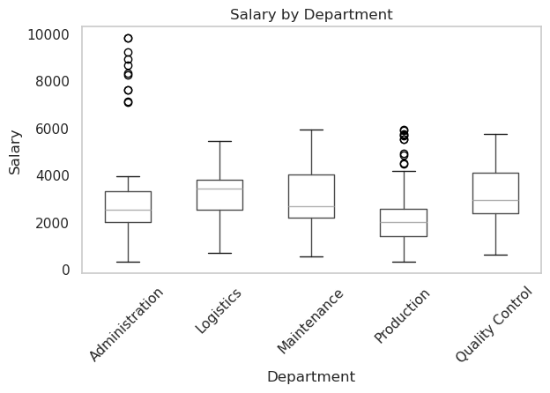
Amanda Huerta | Administration | Administration Officer | 2031.0380904 | 0.02
Amanda Wood | Administration | Administration Officer | 1782.1330823 | 0
Amy Garza | Administration | Administration Officer | 2462.1401019 | 0.01
Andrew Edwards | Administration | Administration Officer | 2174.378437 | 0.05
Andrew Frank | Administration | Administration Officer | 3056.3443472 | 0
Andrew Moon | Administration | Administration Officer | 3863.4762185 | 0.03
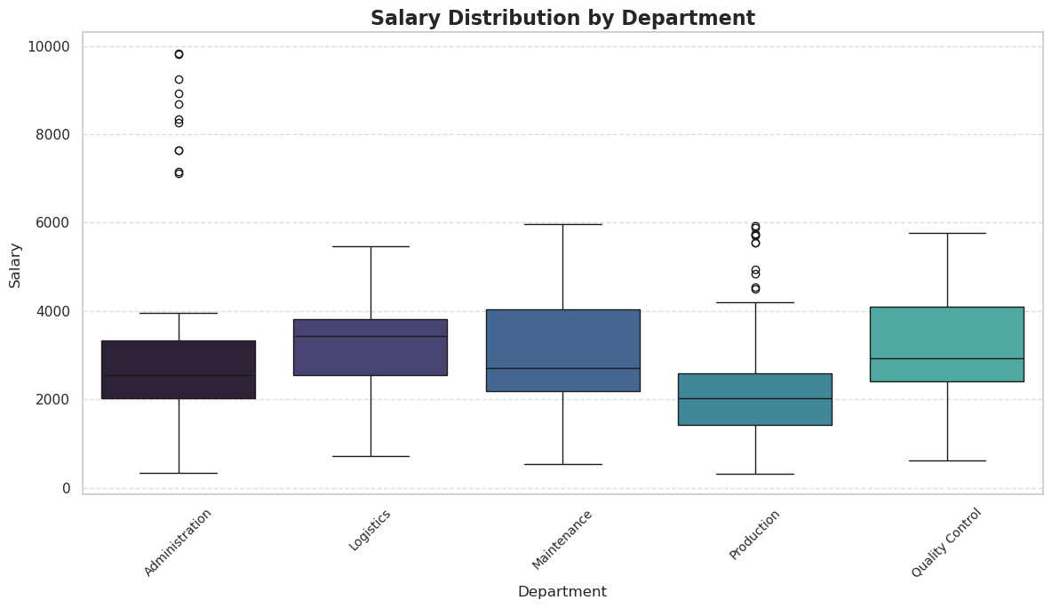
Anthony Garrison | Administration | Administration Officer | 1270.5154706 | 0.01
Anthony Hernandez | Administration | HR Officer | 2976.7619553 | 0.03
Ashley Landry | Administration | Administration Officer | 1712.7553243 | 0.03
Austin Ware | Administration | Administration Officer | 2168.5763121 | 0.05
Barbara Wilson DVM | Administration | Accountant | 3900.6752388 | 0.05
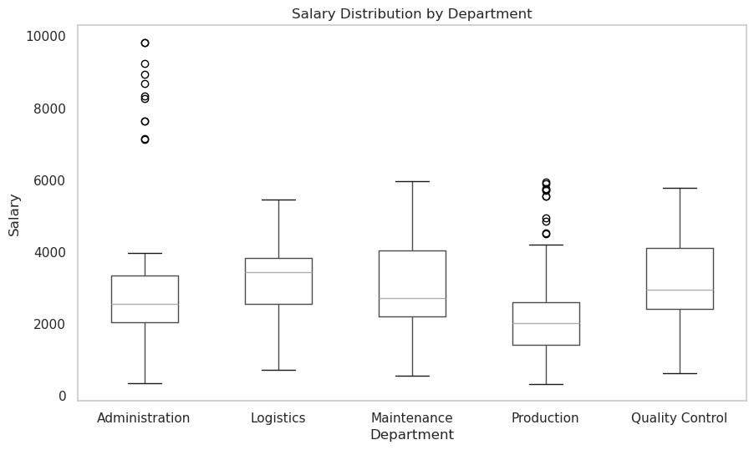
Benjamin Wilson | Administration | Administration Officer | 2348.946492 | 0.05
Bonnie Porter | Administration | Accountant | 1535.54898 | 0.04
Bonnie Scott | Administration | Administration Officer | 1854.1887211 | 0.04
Brian Carpenter | Administration | Management | 7629.465544 | 0
Brianna Benson | Administration | HR Officer | 3426.7408108 | 0
Calvin Underwood | Administration | Administration Officer | 2352.8375228 | 0.03
Chad Arellano | Administration | HR Officer | 2944.4741644 | 0.01
Cheryl Lyons | Administration | Administration Officer | 810.06113062 | 0.04
Christina Cruz | Administration | Administration Officer | 2614.0044547 | 0
Christopher Lopez | Administration | Administration Officer | 1800.1958535 | 0.01
Christy Alexander | Administration | Accountant | 1604.1149718 | 0
Connie Johnson | Administration | HR Officer | 3037.4009549 | 0.04
Courtney Bowman | Administration | HR Officer | 3037.1806275 | 0.02
Craig Thompson | Administration | Administration Officer | 3732.2664256 | 0.01
Danny Hernandez | Administration | Administration Officer | 1589.6629261 | 0.03
Danny Sellers | Administration | Management | 8345.0092846 | 0.02
David Armstrong | Administration | Accountant | 2721.6906309 | 0
David Washington | Administration | Administration Officer | 1964.2423125 | 0.03
Derek Conner | Administration | Administration Officer | 2112.7614152 | 0
Dillon Davis | Administration | Accountant | 3743.775854 | 0
Donna Clarke | Administration | Administration Officer | 2111.9163759 | 0.02
Dr. Charles Cruz | Administration | Administration Officer | 2575.9290372 | 0.02
Edward Brown | Administration | HR Officer | 3781.0436077 | 0.02
Emily Ellis | Administration | Administration Officer | 3880.1507567 | 0.03
Erin Duncan | Administration | Accountant | 2185.2083121 | 0.05
Erin Jenkins | Administration | Administration Officer | 2550.4647662 | 0
Garrett Rogers | Administration | Management | 8929.8681463 | 0.01
Gary Torres | Administration | Administration Officer | 1124.3353394 | 0.04
Gary Wyatt | Administration | Administration Officer | 2390.6945278 | 0.03
Gregory Browning | Administration | Administration Officer | 1837.7828097 | 0.05
Gregory Parker | Administration | Administration Officer | 1782.079509 | 0.04
Heather Hampton | Administration | Administration Officer | 2239.427394 | 0.02
Heather Wheeler | Administration | HR Officer | 3742.7384671 | 0.01
Heidi Willis | Administration | HR Officer | 2815.4633663 | 0.02
Isaiah Daniel | Administration | Administration Officer | 2256.640596 | 0.02
James Humphrey | Administration | Administration Officer | 3665.0593148 | 0
James Hunter | Administration | Administration Officer | 2375.2237434 | 0.05
James Saunders | Administration | Accountant | 1756.4501497 | 0
Jamie Cross | Administration | Accountant | 2544.3274717 | 0
Jason Hall | Administration | Accountant | 793.41368603 | 0.01
Jason Martin | Administration | HR Officer | 2950.6832182 | 0.05
Jeff Mccullough | Administration | Administration Officer | 3097.4198443 | 0.02
Jennifer Chapman | Administration | Management | 9830.424746 | 0.04
Jennifer Jackson | Administration | HR Officer | 2401.78098 | 0.02
Jennifer Stewart | Administration | Accountant | 877.96717969 | 0.03
Jessica Buckley | Administration | Administration Officer | 2079.3315183 | 0.04
Jill Duarte | Administration | HR Officer | 2932.0753734 | 0.05
Jo Collins | Administration | Accountant | 3055.5051714 | 0.02
John Caldwell | Administration | Accountant | 3643.3741148 | 0.03
Jorge Flores | Administration | Accountant | 3679.8414415 | 0
Jose Hunt | Administration | Administration Officer | 2143.2476897 | 0.03
Joseph Chang | Administration | HR Officer | 1875.3984672 | 0.02
Joseph Hudson | Administration | Accountant | 2127.9805341 | 0.04
Joseph Sims | Administration | HR Officer | 1566.9638526 | 0.01
Joseph Warren | Administration | Management | 7147.7884563 | 0.05
Joshua Cherry | Administration | HR Officer | 3368.3238464 | 0.03
Joshua Romero | Administration | Administration Officer | 2283.6256549 | 0.04
Joshua Tate | Administration | HR Officer | 685.76651636 | 0.01
Joyce Carpenter | Administration | Administration Officer | 1551.7845523 | 0.01
Katherine Carter | Administration | HR Officer | 3119.0561903 | 0.03
Katherine Pierce | Administration | Accountant | 2540.3553267 | 0.05
Katie Cortez | Administration | Management | 9244.5372353 | 0.03
Katie Davis | Administration | HR Officer | 2023.3514856 | 0.03
Kenneth Howard | Administration | HR Officer | 1508.9558278 | 0.02
Kenneth Williams | Administration | Administration Officer | 2382.7787163 | 0.02
Kimberly Bennett | Administration | Management | 9819.4391674 | 0.03
Larry Christian | Administration | Accountant | 3260.5340545 | 0
Larry Perry | Administration | HR Officer | 3369.3617026 | 0.05
Larry Wang | Administration | Administration Officer | 3485.5542135 | 0.02
Laura Hartman | Administration | Accountant | 3958.1899836 | 0.02
Laura Nelson | Administration | Administration Officer | 3935.453087 | 0.02
Linda Swanson | Administration | HR Officer | 1616.5972371 | 0.04
Lisa Johnson | Administration | HR Officer | 2886.1286652 | 0.04
Lisa Moon | Administration | Accountant | 1661.3928959 | 0
Makayla Armstrong | Administration | Administration Officer | 2157.4101433 | 0.04
Margaret Ramirez | Administration | Administration Officer | 3281.2881827 | 0
Mark Griffin | Administration | Administration Officer | 2146.4732408 | 0.04
Martha Bennett | Administration | Accountant | 3655.6514042 | 0.03
Mary Barnett | Administration | Accountant | 3131.1312784 | 0.01
Mary Forbes | Administration | HR Officer | 2229.2026737 | 0.04
Matthew Hughes | Administration | HR Officer | 2699.6644551 | 0.01
Megan Lane | Administration | Accountant | 3836.385722 | 0
Michael Morales | Administration | Administration Officer | 2293.2385992 | 0.05
Miguel Kennedy | Administration | Administration Officer | 345.97174652 | 0.05
Miranda Reed | Administration | Administration Officer | 1589.6156509 | 0.01
Mitchell Stafford | Administration | Administration Officer | 3203.033152 | 0
Mr. Christopher Hodges PhD | Administration | Accountant | 3033.5563192 | 0.03
Mr. Patrick Berry | Administration | Accountant | 3800.0516183 | 0.02
Mrs. Heather Barnett | Administration | Administration Officer | 2309.0010404 | 0
Nicholas Evans | Administration | Administration Officer | 1531.1599194 | 0
Nicholas Nelson | Administration | Management | 8271.0871536 | 0.04
Nicole Allen | Administration | Administration Officer | 2073.5564838 | 0.03
Olivia Smith | Administration | Administration Officer | 1081.0912082 | 0
Paige Phillips | Administration | HR Officer | 3340.4526618 | 0.05
Paul Anderson | Administration | Accountant | 2260.459292 | 0.04
Paul Copeland | Administration | Administration Officer | 3020.5616313 | 0.01
Philip Martinez | Administration | Administration Officer | 849.26960396 | 0
Phyllis Martinez | Administration | Accountant | 2981.0618584 | 0.05
Rachael Rojas | Administration | Administration Officer | 2133.702704 | 0.05
Randall Williams | Administration | Management | 7643.2400693 | 0.02
Rebekah Santos | Administration | Administration Officer | 3395.2085098 | 0.01
Richard Bowers | Administration | HR Officer | 1725.5733406 | 0
Richard Brown | Administration | Accountant | 2618.980295 | 0.04
Richard Cabrera | Administration | HR Officer | 2072.288687 | 0
Robert Hensley | Administration | HR Officer | 3345.1200937 | 0.03
Robert Humphrey | Administration | Administration Officer | 3014.2729302 | 0.03
Robert Ramos | Administration | Administration Officer | 2764.2713271 | 0.01
Ryan Carr | Administration | HR Officer | 3300.1264482 | 0.01
Ryan Nelson Jr. | Administration | Administration Officer | 1451.2459215 | 0
Sabrina Cook | Administration | HR Officer | 2462.2700659 | 0.04
Samuel Williams | Administration | HR Officer | 3502.7982575 | 0.04
Sarah Logan | Administration | Management | 8676.8609192 | 0.04
Sarah Lowery | Administration | HR Officer | 1663.9093356 | 0
Sarah Mclaughlin | Administration | Administration Officer | 3411.7955765 | 0
Sarah Villanueva | Administration | HR Officer | 3702.0946454 | 0.02
Scott Little | Administration | Accountant | 2797.5062359 | 0.05
Sharon Stewart | Administration | Administration Officer | 3205.4865023 | 0.01
Shirley Rhodes | Administration | Accountant | 2805.3968649 | 0.04
Stephanie Gillespie | Administration | Administration Officer | 2398.5253242 | 0.02
Susan Coleman | Administration | Accountant | 3024.3699119 | 0.02
Tammy Austin | Administration | HR Officer | 3063.9315419 | 0.03
Tammy Grant | Administration | Management | 7119.7617601 | 0.01
Theresa Davis | Administration | Administration Officer | 3895.0248415 | 0.03
Thomas Alvarez | Administration | HR Officer | 2649.5725649 | 0.03
Tiffany Byrd | Administration | Accountant | 1116.8542879 | 0.02
Tiffany Chambers | Administration | Administration Officer | 862.2534585 | 0.01
Tina Anthony | Administration | Accountant | 3601.3288515 | 0.02
Tracy Hudson | Administration | Accountant | 3116.7424117 | 0
Troy Scott | Administration | HR Officer | 1802.6823699 | 0.01
Vanessa Miller | Administration | Administration Officer | 2366.7879068 | 0.01
Virginia Black | Administration | HR Officer | 2537.6498888 | 0
Virginia Cooper | Administration | Accountant | 2079.0472545 | 0.04
William Johnson V | Administration | Administration Officer | 2433.6115488 | 0.01
William Pope | Administration | Administration Officer | 2941.1781776 | 0.01
Amber Baker | Logistics | Logistics Supervisor | 5314.0395484 | 0.01
Amy Schmidt | Logistics | Warehouse Worker | 3726.2271831 | 0.02
Blake Hickman | Logistics | Warehouse Worker | 3847.4025774 | 0.01
Brian Parker | Logistics | Logistics Manager | 2141.6543581 | 0.01
Bruce Bradford | Logistics | Logistics Manager | 5457.8953923 | 0.03
Carrie Graham | Logistics | Logistics Supervisor | 3435.4927639 | 0.01
Courtney Green | Logistics | Logistics Supervisor | 1774.6054434 | 0.05
Cynthia Smith | Logistics | Warehouse Worker | 3040.9731905 | 0.05
Dana Powers | Logistics | Logistics Supervisor | 1791.333651 | 0
Daniel Simmons | Logistics | Logistics Manager | 3824.9721064 | 0.04
David White | Logistics | Warehouse Worker | 3568.1157805 | 0.05
Donna Graham | Logistics | Warehouse Worker | 3550.6826077 | 0
Drew Huber | Logistics | Warehouse Worker | 2175.168759 | 0.05
Erica Martin | Logistics | Logistics Manager | 1992.2746172 | 0.05
Jared Drake | Logistics | Logistics Supervisor | 2859.9432523 | 0.02
Jay Booker | Logistics | Logistics Supervisor | 4671.6734215 | 0.02
Jonathan Pugh | Logistics | Logistics Supervisor | 2055.8103014 | 0.04
Kelsey Johnson | Logistics | Logistics Supervisor | 1631.946055 | 0.02
Kristin Miller | Logistics | Warehouse Worker | 3130.0878094 | 0.05
Laura Walker | Logistics | Logistics Manager | 3754.8590283 | 0
Laurie Arellano | Logistics | Logistics Supervisor | 3027.4435212 | 0.04
Leslie Harris | Logistics | Warehouse Worker | 3883.0548865 | 0.02
Linda Myers | Logistics | Logistics Manager | 3560.0692294 | 0.01
Linda Reyes | Logistics | Logistics Supervisor | 4308.0077801 | 0.05
Linda Williams | Logistics | Warehouse Worker | 3889.397729 | 0.05
Lisa Jackson | Logistics | Logistics Manager | 4816.6673155 | 0.05
Lucas Pineda DDS | Logistics | Warehouse Worker | 3530.8626974 | 0.02
Marcus Murphy | Logistics | Logistics Supervisor | 3698.2985901 | 0.02
Matthew Barker | Logistics | Warehouse Worker | 720.66071653 | 0
Melissa Bauer | Logistics | Logistics Supervisor | 3108.0681628 | 0.03
Michael Brennan | Logistics | Logistics Supervisor | 1951.1027753 | 0.04
Michele Miller | Logistics | Logistics Manager | 3844.0773647 | 0
Michelle Newman | Logistics | Warehouse Worker | 3421.342132 | 0.05
Nancy Andrews | Logistics | Logistics Manager | 4757.9722029 | 0
Oscar Ortiz | Logistics | Warehouse Worker | 3457.6308657 | 0.02
Preston Hale | Logistics | Warehouse Worker | 3431.3012588 | 0.03
Rebecca Anderson | Logistics | Logistics Manager | 3530.7767807 | 0
Rebecca Nelson | Logistics | Logistics Supervisor | 4524.857946 | 0.03
Sabrina Mccann MD | Logistics | Logistics Supervisor | 1519.9201904 | 0.03
Samuel Evans | Logistics | Logistics Supervisor | 3823.2174764 | 0.02
Sarah Gonzalez | Logistics | Logistics Supervisor | 3254.5246011 | 0.03
Sarah Ochoa | Logistics | Logistics Manager | 3167.9261446 | 0.04
Shane Brown DDS | Logistics | Warehouse Worker | 3041.6531983 | 0.02
Shawn Williams | Logistics | Logistics Manager | 2541.6134873 | 0
Stephanie Jones | Logistics | Logistics Supervisor | 4151.4009252 | 0.05
Stephanie Thompson DVM | Logistics | Warehouse Worker | 1611.6001015 | 0.03
Susan Hernandez | Logistics | Logistics Supervisor | 2582.3472705 | 0
Tamara Nelson | Logistics | Warehouse Worker | 3447.6768941 | 0.02
Taylor Little | Logistics | Warehouse Worker | 3532.3206317 | 0.02
Tina Moore | Logistics | Warehouse Worker | 2316.5214097 | 0.04
Abigail Whitehead | Maintenance | Maintenance Supervisor | 3949.5710535 | 0.01
Alexandra Bishop | Maintenance | Maintenance Technician | 4649.3659441 | 0.01
Alice Ryan | Maintenance | Maintenance Supervisor | 4022.8549173 | 0.01
Amanda Norris | Maintenance | Maintenance Technician | 2991.141651 | 0.01
Amanda Underwood | Maintenance | Maintenance Technician | 2076.486769 | 0.03
Amber Jones | Maintenance | Maintenance Technician | 3357.1249175 | 0.03
Andrea Rodriguez | Maintenance | Maintenance Technician | 2554.603389 | 0.05
Angela Powell | Maintenance | Maintenance Technician | 1499.1940489 | 0.04
Angela Warren | Maintenance | Maintenance Technician | 2615.0580206 | 0.02
Ann Bush | Maintenance | Maintenance Technician | 2683.7264473 | 0
Ann Crawford | Maintenance | Maintenance Technician | 3103.990838 | 0.01
Anthony Wall | Maintenance | Maintenance Supervisor | 3401.650436 | 0.01
April Anderson | Maintenance | Maintenance Technician | 1536.7869709 | 0
April Phillips | Maintenance | Maintenance Supervisor | 2763.3465208 | 0.02
Ashley Mckinney | Maintenance | Maintenance Technician | 4175.6034442 | 0.02
Bailey Mccarthy | Maintenance | Maintenance Supervisor | 2021.6689309 | 0.01
Barbara Sherman | Maintenance | Maintenance Technician | 2339.0945885 | 0.03
Beth Jones | Maintenance | Maintenance Supervisor | 2662.0674134 | 0.01
Brian Webster | Maintenance | Maintenance Manager | 5515.6482154 | 0.05
Caleb Carter | Maintenance | Maintenance Supervisor | 1778.9567658 | 0.02
Carol Ayers | Maintenance | Maintenance Manager | 4491.6986038 | 0.02
Cassandra Barker | Maintenance | Maintenance Technician | 2762.5803782 | 0.01
Charles Guerrero | Maintenance | Maintenance Technician | 2656.9389619 | 0.02
Cheryl Cooper | Maintenance | Maintenance Supervisor | 3663.883551 | 0.02
Cheyenne Sanchez MD | Maintenance | Maintenance Technician | 2508.0443389 | 0.01
Christine Young | Maintenance | Maintenance Supervisor | 2037.6233557 | 0.01
Christopher Riley | Maintenance | Maintenance Manager | 3689.9740767 | 0.01
Christopher Roberts | Maintenance | Maintenance Technician | 5588.8621677 | 0.02
Cindy Gonzalez | Maintenance | Maintenance Technician | 1538.9318621 | 0.01
Courtney Chen | Maintenance | Maintenance Technician | 582.47203483 | 0.01
Danielle Cervantes | Maintenance | Maintenance Technician | 2663.3044608 | 0.01
Dawn Hobbs | Maintenance | Maintenance Technician | 1130.4645651 | 0.01
Derrick Baker | Maintenance | Maintenance Technician | 3622.2680518 | 0.04
Donald Miller | Maintenance | Maintenance Manager | 5469.5467945 | 0.01
Dr. Aaron Jones | Maintenance | Maintenance Supervisor | 2693.2005797 | 0.04
Edward Vargas | Maintenance | Maintenance Supervisor | 3187.300991 | 0.03
Evan Jones | Maintenance | Maintenance Supervisor | 2168.8833728 | 0.02
Frank Rose | Maintenance | Maintenance Supervisor | 4595.2483593 | 0.04
Hayley Williams | Maintenance | Maintenance Supervisor | 2320.3314767 | 0.02
Heather Morgan | Maintenance | Maintenance Technician | 2664.5962662 | 0.03
Heidi Arnold | Maintenance | Maintenance Technician | 3851.9159087 | 0
Jaime Dawson | Maintenance | Maintenance Technician | 1515.055218 | 0
Jason Carpenter | Maintenance | Maintenance Technician | 1501.6844982 | 0.02
Jeffrey Johnson | Maintenance | Maintenance Supervisor | 4544.3337033 | 0.01
Jennifer Stewart | Maintenance | Maintenance Technician | 1510.1717014 | 0.01
John Brennan | Maintenance | Maintenance Manager | 2685.2989638 | 0
John Roth | Maintenance | Maintenance Technician | 2333.8990145 | 0
Joseph Perez | Maintenance | Maintenance Technician | 545.62478816 | 0.01
Joshua James DDS | Maintenance | Maintenance Supervisor | 1382.3327046 | 0.01
Joy Gould | Maintenance | Maintenance Manager | 2445.2610752 | 0.02
Justin Murphy | Maintenance | Maintenance Technician | 2990.7085866 | 0.03
Katherine White | Maintenance | Maintenance Supervisor | 2205.7257535 | 0.04
Kathryn Snyder | Maintenance | Maintenance Technician | 1606.7738128 | 0.01
Kelly Davis | Maintenance | Maintenance Technician | 4370.5843444 | 0.01
Kendra Martin | Maintenance | Maintenance Supervisor | 3654.482809 | 0
Kenneth Hansen | Maintenance | Maintenance Technician | 4415.5434024 | 0.04
Kenneth Jones | Maintenance | Maintenance Supervisor | 4063.8549318 | 0.01
Kevin Knapp | Maintenance | Maintenance Manager | 2598.8750049 | 0.03
Kevin Perez | Maintenance | Maintenance Supervisor | 3810.6878069 | 0
Kristen Hill | Maintenance | Maintenance Technician | 2485.5860914 | 0.02
Krystal Meza | Maintenance | Maintenance Technician | 2148.2711387 | 0
Kyle Porter | Maintenance | Maintenance Technician | 5583.6783842 | 0.01
Laura Moore | Maintenance | Maintenance Supervisor | 2074.7789602 | 0
Linda Smith | Maintenance | Maintenance Supervisor | 2112.0046659 | 0.01
Lisa Hernandez | Maintenance | Maintenance Supervisor | 5405.0815103 | 0
Matthew Watson | Maintenance | Maintenance Supervisor | 2771.5493199 | 0.02
Meghan Garza | Maintenance | Maintenance Supervisor | 2207.47016 | 0
Melissa Smith | Maintenance | Maintenance Technician | 2816.2211023 | 0.01
Mr. Omar Flores III | Maintenance | Maintenance Technician | 2575.6107354 | 0.01
Nancy Blackwell | Maintenance | Maintenance Technician | 2180.8034473 | 0.01
Nathan Rowe | Maintenance | Maintenance Manager | 4209.6251537 | 0
Pamela Padilla | Maintenance | Maintenance Technician | 3574.9752123 | 0.03
Patricia Davis | Maintenance | Maintenance Technician | 1130.3187559 | 0.02
Peggy Pena | Maintenance | Maintenance Supervisor | 2445.2764164 | 0.01
Richard Patterson | Maintenance | Maintenance Technician | 2822.2152 | 0.01
Robert Garcia | Maintenance | Maintenance Supervisor | 4095.3440533 | 0
Robin Benjamin | Maintenance | Maintenance Supervisor | 1564.3777886 | 0.01
Ryan Robinson | Maintenance | Maintenance Supervisor | 2476.7190571 | 0.01
Ryan Simmons | Maintenance | Maintenance Manager | 5866.7882669 | 0.01
Ryan Wagner | Maintenance | Maintenance Technician | 1937.001404 | 0
...

SaaS Forecast
Salaries | Gross Profit | Net Profit | Cash Flow
52712.436061 | 15786.634038 | -61048.530015 | -62507.063307
41335.516478 | 34183.469569 | -44777.736878 | -45806.098553
37232.54497 | 31754.945317 | -40945.491877 | -44896.800212
36151.359855 | 31598.517525 | -22742.355292 | -20368.303231
37543.273185 | 36178.362627 | -38081.900277 | -41259.061493
38241.953911 | 60301.121098 | -9709.0889169 | -9069.4379967
36216.82947 | 94033.865567 | 25996.362936 | 29403.462795
56346.620024 | 90183.49584 | -5396.0018182 | -9503.9585311
52709.973965 | 66836.838071 | -28226.940506 | -27873.584866
31406.894034 | 112000.27976 | 60138.797992 | 57470.962108
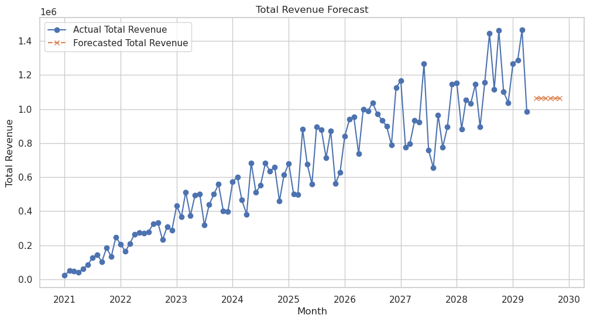
38060.174461 | 97610.852864 | 12159.618303 | 10588.886945
30665.542261 | 170346.40807 | 99542.885224 | 99282.584638
44944.955599 | 141229.36815 | 70366.643264 | 68917.686297
44286.320904 | 98575.27319 | 24895.76027 | 26383.988673
54941.144702 | 163119.2123 | 69543.183221 | 69339.004239
39233.317193 | 194416.80723 | 125108.13997 | 125950.13482
54491.572056 | 208703.78501 | 117019.86394 | 119388.0887
59039.212963 | 202230.31951 | 112957.16692 | 113534.58958
32652.246701 | 195400.42085 | 131905.3561 | 132770.71045
53754.535184 | 234888.98998 | 143287.04384 | 143931.62927
47698.676914 | 239448.20083 | 157512.10648 | 156299.83274
44401.379011 | 145988.34859 | 65474.94384 | 63849.412178
42616.07336 | 190057.68873 | 111466.1009 | 115462.57487
53540.047918 | 225510.13052 | 130136.36597 | 131211.91819
49180.840709 | 326753.60036 | 237071.33745 | 234514.86901
54151.340026 | 244231.54798 | 150023.89529 | 150006.37227
57094.53176 | 372672.96269 | 283766.69249 | 282070.1773
48517.911363 | 279803.58157 | 190496.81901 | 194833.73725
59413.881753 | 366749.69796 | 275276.09465 | 270351.43828
48242.635486 | 367039.42126 | 286403.23286 | 283656.56084
49099.329649 | 199808.63155 | 113848.60143 | 112502.16963
46644.468256 | 337951.09296 | 264876.52669 | 264754.6247
32730.062732 | 328725.07482 | 267327.34426 | 270835.51944
51791.91098 | 384365.84086 | 304737.79634 | 300616.67259
46423.389207 | 298077.99407 | 217393.58309 | 220452.23195
43527.313422 | 283967.47329 | 200223.26024 | 195779.79513
57314.138352 | 428574.09347 | 344555.40736 | 347978.54772
38938.783546 | 407742.72075 | 338076.40118 | 333592.75596
45708.06828 | 365167.28714 | 298542.88997 | 293725.31479
50929.256145 | 304779.97848 | 210522.0162 | 212491.63083
53894.15327 | 461327.27834 | 368269.86145 | 373242.41679
43780.404238 | 387738.78808 | 313674.37545 | 317640.47807
55262.742451 | 434727.10178 | 345446.76833 | 346206.75251
53067.532239 | 490665.50799 | 417178.86689 | 421352.82302
31987.079336 | 502282.53001 | 444530.58022 | 439583.58029
31375.837992 | 410581.80025 | 349476.42474 | 354227.09637
48624.170533 | 365020.08291 | 290280.98438 | 290188.47217
40422.402247 | 419770.74129 | 330381.98927 | 332610.95023
36273.923732 | 484374.31761 | 418574.09786 | 421782.71259
...

Linear Regression
Month | Marketing_Spend | Economic_Growth | Sales_Revenue
Jan-23 | 7292.881024 | 2.640393541 | 34895.85591
Feb-23 | 8291.136198 | 2.377203027 | 40761.1284
Mar-23 | 7616.580256 | 3.476747676 | 39641.23307
Apr-23 | 7269.299098 | 1.704089621 | 33170.20044
May-23 | 6541.928796 | 1.917753512 | 37978.11549
Jun-23 | 7875.364678 | 1.822619036 | 41365.12674
Jul-23 | 6625.523268 | 2.806216651 | 38414.82233
Aug-23 | 9350.638005 | 2.006583205 | 40348.00954
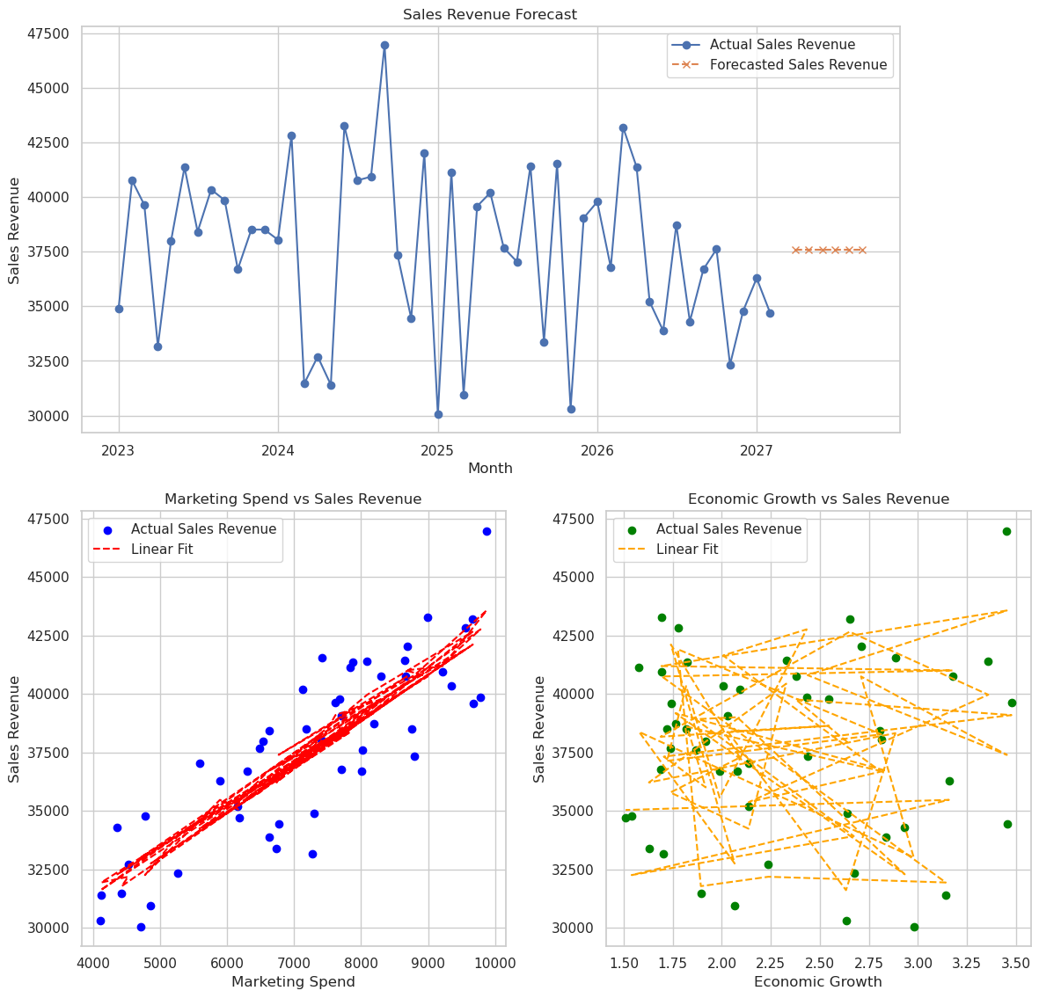
Sep-23 | 9781.976563 | 2.432621546 | 39855.06943
Oct-23 | 6300.649113 | 1.988851184 | 36699.05286
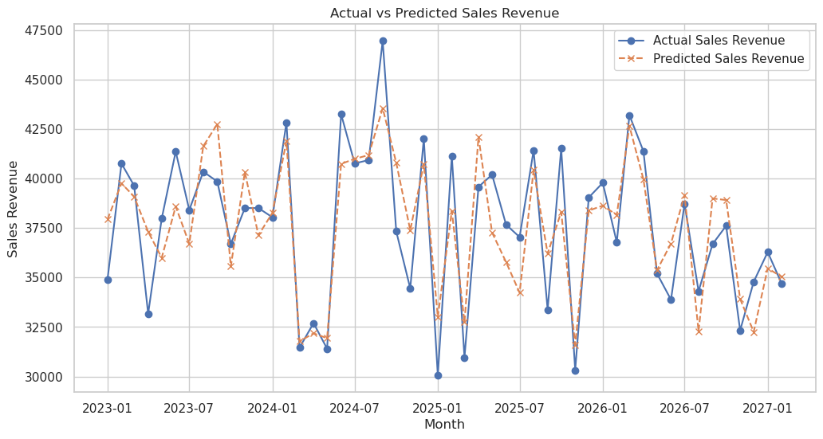
Nov-23 | 8750.350228 | 1.817939167 | 38512.28573
Dec-23 | 7173.369519 | 1.720750282 | 38512.37946
Jan-24 | 7408.267367 | 2.812659179 | 38045.74387
Feb-24 | 9553.57983 | 1.776365903 | 42836.80364
Mar-24 | 4426.216349 | 1.893164723 | 31458.33022
Apr-24 | 4522.775798 | 2.237450341 | 32696.14827
May-24 | 4121.310385 | 3.14198646 | 31405.60727
Jun-24 | 8995.719073 | 1.694202552 | 43257.38169
Jul-24 | 8668.940506 | 3.175889815 | 40767.59501
Aug-24 | 9220.072889 | 1.692196816 | 40936.32132
Sep-24 | 9871.710053 | 3.45291893 | 46962.64043
Oct-24 | 8794.951385 | 2.437302403 | 37331.68705
Nov-24 | 6768.876174 | 3.453522176 | 34450.30453
Dec-24 | 8683.175058 | 2.709691039 | 42014.83457
Jan-25 | 4709.646555 | 2.978527159 | 30051.57346
Feb-25 | 7839.526128 | 1.578375585 | 41144.67021
Mar-25 | 4860.119724 | 2.065613925 | 30958.61541
Apr-25 | 9668.013502 | 1.740393122 | 39581.5105
May-25 | 7131.089931 | 2.092280395 | 40200.34431
Jun-25 | 6487.97164 | 1.737455438 | 37674.4283
Jul-25 | 5587.333673 | 2.135966359 | 37045.75162
Aug-25 | 8645.402137 | 2.328525989 | 41431.41958
Sep-25 | 6736.901993 | 1.628294993 | 33379.64761
Oct-25 | 7410.603693 | 2.884944239 | 41526.28153
Nov-25 | 4112.738803 | 2.633202908 | 30322.67377
Dec-25 | 7705.812982 | 2.030778982 | 39047.31774
Jan-26 | 7672.574336 | 2.546496107 | 39786.14872
Feb-26 | 7701.603981 | 1.687881022 | 36781.0688
Mar-26 | 9662.488471 | 2.651892991 | 43205.02867
Apr-26 | 8090.921795 | 3.358592395 | 41384.84933
May-26 | 6157.047403 | 2.137137905 | 35204.08377
Jun-26 | 6622.191723 | 2.83482076 | 33880.40262
Jul-26 | 8185.787176 | 1.763595725 | 38731.64642
Aug-26 | 4361.35283 | 2.932654408 | 34308.13186
Sep-26 | 8000.600293 | 2.078812186 | 36690.87705
Oct-26 | 8023.827218 | 1.866382724 | 37614.76808
Nov-26 | 5262.295366 | 2.67302587 | 32327.3095
Dec-26 | 4773.557786 | 1.540215092 | 34785.85812
...

